Lipid A 10ng ml^-1
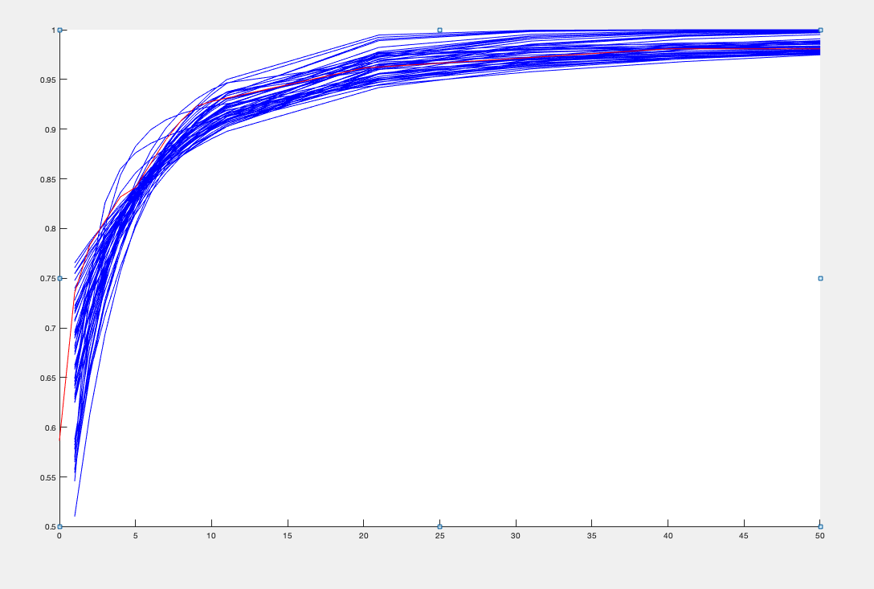
ko | k1 | k2 | k3 | u0 | u1 | kd | Objective function | moment estimators: | mean | var | burst size | frequency
0.13357087592 | 0.014162236696 | 0.17387105866 | 0.0016819177103 | 0.75896427786 | 10.467911617 | 0.0037 | 0.0043496664016 |  | 4.4126392252 | 338.82369996 | 76.784818034 | 0.058225899853
0.08608889075 | 0.0074461898769 | 0.12903416176 | 0.0014595232519 | 0.72135070699 | 11.949659021 | 0.0037 | 0.0045827748723 |  | 4.6393470991 | 533.39460043 | 114.97191071 | 0.040706057047
0.10444650812 | 0.014176938821 | 0.2 | 0.0014394220301 | 1.1425452987 | 10.585241376 | 0.0037 | 0.0047504322529 |  | 4.5058810108 | 400.97261409 | 88.988726763 | 0.051209753528
0.051670146219 | 0.021995605463 | 0.19458675914 | 0.0017048381064 | 0.81907849529 | 3.0618314053 | 0.0037 | 0.0048754123452 |  | 4.394661422 | 259.00406505 | 58.936068148 | 0.075853635954
0.14290642706 | 0.0017227237597 | 0.024287012883 | 0.0012258711848 | 0.19827183247 | 19.990869163 | 0.0037 | 0.0049804708134 |  | 4.2251289395 | 460.05098462 | 108.88448405 | 0.039163453176
0 | 0.0079051554525 | 0.18641892473 | 0.0014705525361 | 1 | 2 | 0.0037 | 0.0051055157901 |  | 4.8195374351 | 550.2741458 | 114.17571773 | 0.042584553751
0.03678372797 | 0.0087692427944 | 0.19271593306 | 0.0016012964087 | 0.95705946149 | 6.6646985486 | 0.0037 | 0.0051249793041 |  | 4.7472474545 | 630.96925271 | 132.91265281 | 0.035987809762
0.17310957752 | 0.032074215372 | 0.2 | 0.001356137623 | 1 | 8.7170198877 | 0.0037 | 0.0051498842356 |  | 4.3992484537 | 271.77846297 | 61.778384612 | 0.072381792997
0 | 0.0064690613179 | 0.19737259283 | 0.0014341828527 | 1.1121563282 | 2.3571325174 | 0.0037 | 0.0053162665578 |  | 4.6080996008 | 586.44267314 | 127.26345434 | 0.036495909484
0.2 | 0.021274341951 | 0.1286358214 | 0.0018707689126 | 0.40432349806 | 7.1843915581 | 0.0037 | 0.0054458841953 |  | 4.1550754361 | 192.76574798 | 46.392839539 | 0.091535922367
0.093126878787 | 0.027819076736 | 0.14424957044 | 0.0014257035079 | 0.66972090873 | 3.3229436231 | 0.0037 | 0.0054761227594 |  | 3.9664723056 | 176.18541261 | 44.418667024 | 0.091354078268
0.16573480735 | 0.02813931894 | 0.1551258774 | 0.0012868678423 | 0.87829308599 | 6.4481792628 | 0.0037 | 0.0055467368558 |  | 4.0408817084 | 194.52687049 | 48.139709234 | 0.085721396549
0.071903103505 | 0.023702100898 | 0.17516576392 | 0.0011607993148 | 1.1768541633 | 4.5914500463 | 0.0037 | 0.0055479136114 |  | 4.2926236641 | 283.70050232 | 66.090233973 | 0.065948812934
0.020330156379 | 0.01484296941 | 0.2 | 0.0021396400418 | 0.61944577204 | 2 | 0.0037 | 0.0056760211934 |  | 4.5944514244 | 332.35838661 | 72.339079447 | 0.064403009684
0.027958596309 | 0.0024287263932 | 0.052704910507 | 0.0017010154725 | 0.26364977331 | 5.5055764265 | 0.0037 | 0.0057291617569 |  | 4.7409035786 | 641.60846941 | 135.33463796 | 0.035291743445
0.14006008064 | 0.011408291048 | 0.14445351645 | 0.0011060878172 | 1.065214881 | 13.459245717 | 0.0037 | 0.0058153800574 |  | 4.0105556317 | 330.62305621 | 82.438217186 | 0.049246603994
0.2 | 0.044584030649 | 0.15036986571 | 0.0036220159662 | 0.10569639757 | 1.5763870169 | 0.0037 | 0.0059946163532 |  | 2.6732665909 | 36.681349946 | 13.721545794 | 0.21013693102
0.13951168188 | 0.0041474611972 | 0.026732616306 | 0.0012325559821 | 0.21983614406 | 8.8349411435 | 0.0037 | 0.0062841474435 |  | 4.4864860483 | 291.1018877 | 64.884162029 | 0.070228455784
0.17902131566 | 0.056325278013 | 0.18137308989 | 0.0018089126366 | 0.46057210919 | 2.8130553048 | 0.0037 | 0.0064052972839 |  | 3.3185522283 | 85.548552955 | 25.778877977 | 0.13392665444
0.13115981342 | 0.020321694285 | 0.10673184642 | 0.0011157620273 | 0.77842923138 | 6.1008245839 | 0.0037 | 0.0065540702471 |  | 4.3486855524 | 246.3402979 | 56.647070692 | 0.078147609539
0.14165628508 | 0.031286930858 | 0.2 | 0.0025699287624 | 0.45013066007 | 3.0306119455 | 0.0037 | 0.0069629568697 |  | 3.5551724429 | 94.150316496 | 26.48263003 | 0.13951356036
0.13236153696 | 0.0064073556975 | 0.053983002835 | 0.00097686296813 | 0.52734747344 | 11.843529165 | 0.0037 | 0.0070195450852 |  | 4.5219983008 | 384.33495569 | 84.992282199 | 0.053838259688
0.15393231281 | 0.10328301028 | 0.1450348195 | 0.0014555049495 | 0.5145494132 | 0.69424888794 | 0.0037 | 0.0070287730056 |  | 2.3890234272 | 30.801889135 | 12.893087939 | 0.20087494849
0.16593154719 | 0.071054548884 | 0.19937812001 | 0.0030594538166 | 0.10614839856 | 1.5960894176 | 0.0037 | 0.0072253703037 |  | 2.9561380704 | 53.567535546 | 18.12078268 | 0.17266372255
0.19988910833 | 0.051668740755 | 0.15460665528 | 0.0011968810311 | 0.86952177914 | 3.5691817461 | 0.0037 | 0.0074060871257 |  | 3.4425424358 | 103.02940375 | 29.928288662 | 0.11900263013
0.13141625644 | 0.062234274159 | 0.19923284505 | 0.0016323815035 | 0.81551705945 | 0.72150351347 | 0.0037 | 0.0074723645004 |  | 2.3642025788 | 26.562731311 | 11.235387166 | 0.23098320958
0.18378562399 | 0.0092476388559 | 0.17264032791 | 0.0023667258791 | 0.48442172643 | 16.348372977 | 0.0037 | 0.0074925152555 |  | 4.3648045429 | 374.70764954 | 85.847520971 | 0.051442923647
0.16407070801 | 0.074382174843 | 0.10836080913 | 0.0013449714219 | 0.43337927187 | 0.99031128263 | 0.0037 | 0.0075471367492 |  | 2.6322822865 | 41.822932682 | 15.888467926 | 0.17680007772
0 | 0.0057613021965 | 0.1065060308 | 0.0023115846936 | 0.36040708644 | 0.75 | 0.0037 | 0.0075686560587 |  | 3.9047994938 | 154.12576879 | 39.470853505 | 0.10150020439
0.2 | 0.055815778362 | 0.13652693688 | 0.0023125348458 | 0.14490165366 | 2.1571433586 | 0.0037 | 0.0075707776773 |  | 3.0724683023 | 63.680215352 | 20.72607724 | 0.1557566801
0.0909079435 | 0.0075012085008 | 0.14699574865 | 0.00097586199795 | 1.2930792941 | 13.018106241 | 0.0037 | 0.0080723594931 |  | 3.7156392493 | 348.05751472 | 93.673656499 | 0.040093802162
0.2 | 0.06755674549 | 0.061037763648 | 0.0012958802489 | 0.25 | 0.83717990839 | 0.0037 | 0.0080744978225 |  | 2.5921644719 | 38.041818519 | 14.675696288 | 0.18954533775
0.14333695313 | 0.0080044353435 | 0.14188425827 | 0.00092413981781 | 1.4381498825 | 19.718246374 | 0.0037 | 0.0083395303878 |  | 3.9591529682 | 371.35822553 | 93.797392653 | 0.042664485014
0.048930170713 | 0.0046950086434 | 0.069949940148 | 0.0008873910056 | 0.77872686412 | 9.577643305 | 0.0037 | 0.0085476556829 |  | 4.6597043916 | 619.34262707 | 132.91457462 | 0.035323650969
0.12419317139 | 0 | 0.19142002143 | 0.0016253018779 | 1.0664998211 | 2 | 0.0037 | 0.0086254014574 |  | 2.3103839489 | 20.913540728 | 9.0519762909 | 0.28693377444
0.16765939322 | 0.015423400123 | 0.15313510346 | 0.004984552694 | 0.081563244584 | 3.8803469257 | 0.0037 | 0.0087181845457 |  | 3.4351292345 | 108.6903908 | 31.640844749 | 0.11210948206
0.10234114969 | 0.035728235545 | 0.2 | 0.0072263330068 | 0 | 0.84053227027 | 0.0037 | 0.0088111172239 |  | 2.4781687237 | 35.234662204 | 14.218023925 | 0.18748405494
0.11671720066 | 0.01802432882 | 0.2 | 0.020481071643 | 0.0067456779486 | 0.57151027846 | 0.0037 | 0.0088784874862 |  | 2.1644351102 | 17.049789403 | 7.8772467339 | 0.31472407403
0.1408122701 | 0.049623321726 | 0.070502845053 | 0.0011273522932 | 0.39844652943 | 0.93171672771 | 0.0037 | 0.008891493409 |  | 2.7063645176 | 48.359562764 | 17.868828256 | 0.16043583328
0.16648306226 | 0.017629660682 | 0.17865003268 | 0.00086299344381 | 1.9111339072 | 18.077607132 | 0.0037 | 0.0088985565928 |  | 4.5123634637 | 443.81376271 | 98.355056341 | 0.046349554233
0.19714906851 | 0.055482017963 | 0.15672889505 | 0.0016767020229 | 0.33072382344 | 3.5392289638 | 0.0037 | 0.0089032607475 |  | 3.488802508 | 110.59041927 | 31.698675697 | 0.11364667787
0.1375 | 0.024646246733 | 0.096173436929 | 0.0025043932781 | 0.23893448555 | 1.1180247632 | 0.0037 | 0.0090491772148 |  | 2.7307678367 | 32.788020783 | 12.00688698 | 0.24809629114
0.2 | 0.014278227547 | 0.16742218722 | 0.0036915172401 | 0.18279916865 | 8.781089082 | 0.0037 | 0.0091615523301 |  | 4.3560554543 | 242.51817935 | 55.673804406 | 0.079673538392
0.044760285604 | 0.0075920432762 | 0.14382872193 | 0.0027076558239 | 0.45524361974 | 3.8865309449 | 0.0037 | 0.0093957097907 |  | 4.8358901285 | 339.01979334 | 70.104941248 | 0.069978934085
0.10471231365 | 0.034051843188 | 0.039031559249 | 0.0010612489405 | 0.26321339243 | 0.67055822748 | 0.0037 | 0.0094128823713 |  | 2.7684052331 | 49.116546876 | 17.741819835 | 0.16535868026
0.083903499181 | 0.066980437705 | 0.1954658461 | 0.0047727724376 | 0 | 0.57527631365 | 0.0037 | 0.0096514512656 |  | 2.5785381752 | 33.530032324 | 13.003504329 | 0.21481544927
0.19551067529 | 0 | 0.2 | 0.0019177419878 | 1 | 19.49181296 | 0.0037 | 0.009972850691 |  | 2.4462792976 | 20.111992044 | 8.2214619009 | 0.33875125718
0.087069321764 | 0.042292145714 | 0.19113374907 | 0.00083321393025 | 2.219385585 | 3.9654873556 | 0.0037 | 0.010625339034 |  | 4.425804553 | 252.95057034 | 57.153579042 | 0.078816072431
0.08400422372 | 0 | 0.12473780981 | 0.00087420385764 | 1.5579961062 | 0.8101538443 | 0.0037 | 0.01064769524 |  | 2.755367899 | 51.745085966 | 18.779737539 | 0.1549723607
0.19659281449 | 0.11766885076 | 0.15377357521 | 0.0020028161341 | 0.66250658942 | 0.032142498916 | 0.0037 | 0.010678604559 |  | 2.1889262899 | 15.48231265 | 7.073016904 | 0.36043474347
0.12406018966 | 0.028560691435 | 0.14643940726 | 0.0022700768956 | 0.66385869759 | 5.8331108926 | 0.0037 | 0.0073072148861 |  | 3.6738304029 | 227.37298557 | 53.839947212 | 0.12142268708
0.059637181269 | 0.027288032995 | 0.051800207478 | 0.0028876525491 | 0.49171610014 | 5.7309526294 | 1.3142515E-18 | 0.0017990065935 |  | 0.88119179495 | 191.73766074 | 39.588927741 | 0.085360234215

lipid A 100ng ml^-1
ko | k1 | k2 | k3 | u0 | u1 | kd | Objective function | moment estimators: | mean | var | burst size | frequency
0.029409470103 | 0.057787664837 | 0.19711941341 | 0.0061709993224 | 1.9280306497 | 7.9630396535 | 0.0037 | 0.0060434233961 |  | 106.19497396 | 32738.526145 | 308.28696428 | 0.34558893251
0.042378185013 | 0.030522827292 | 0.11584658803 | 0.007439891383 | 0.82562498815 | 9.6506139373 | 0.0037 | 0.0077397985082 |  | 99.735875123 | 28655.472329 | 287.31358996 | 0.34834488694
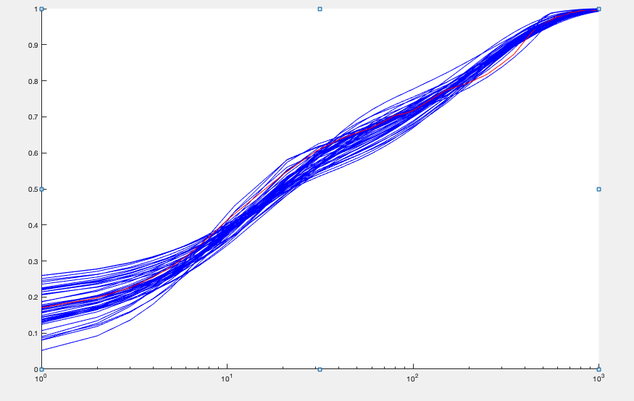
0.01966240743 | 0.064226300093 | 0.1988881301 | 0.005594040698 | 2.4294630655 | 5.8509692695 | 0.0037 | 0.0080182684002 |  | 102.77690051 | 28375.4505 | 276.08782089 | 0.37361487027
0.087384234609 | 0.042549061583 | 0.16123467746 | 0.0067463579469 | 1.3768095651 | 19.993309171 | 0.0037 | 0.0081547679983 |  | 104.57167834 | 35238.640948 | 336.98073424 | 0.31124307939
0.089287528455 | 0.062799757893 | 0.19965899357 | 0.006247387698 | 1.9959030321 | 17.36647544 | 0.0037 | 0.0083151308434 |  | 101.56058482 | 30354.910418 | 298.88475407 | 0.34093918347
0.090909243495 | 0.042558984784 | 0.13036551184 | 0.0064483526033 | 1.2005459586 | 16.970464933 | 0.0037 | 0.0084512177146 |  | 100.35194167 | 28836.431759 | 287.35300263 | 0.3504483653
0.0074309241132 | 0.046189574524 | 0.16925073837 | 0.0060074157298 | 2.0034360175 | 3.9668927649 | 0.0037 | 0.0086766229745 |  | 97.834692698 | 23090.048682 | 236.01084692 | 0.41629862614
0.0048107594366 | 0.051133387178 | 0.19079524169 | 0.0054723714728 | 2.6914332029 | 4.4661424262 | 0.0037 | 0.0093102800016 |  | 110.77815081 | 31641.900097 | 285.63304103 | 0.38919638568
0.049757155247 | 0.058508063444 | 0.17969570777 | 0.0055038302562 | 2.4235836117 | 11.658356019 | 0.0037 | 0.010222337126 |  | 105.72699286 | 34024.868614 | 321.81818183 | 0.32955424241
0.05960885559 | 0.055064262016 | 0.15373410152 | 0.0054220843129 | 1.9206703051 | 12.232375462 | 0.0037 | 0.0105424138 |  | 100.89157988 | 30370.097832 | 301.01716981 | 0.3362860197
0.072356634986 | 0.05628764999 | 0.16215260763 | 0.0054418112284 | 2.0055840122 | 15.311525497 | 0.0037 | 0.010569372071 |  | 103.64393048 | 33259.106919 | 320.89777728 | 0.3239907803
0.047235634071 | 0.057164845805 | 0.18968566584 | 0.0056689777403 | 2.5869074548 | 11.649810503 | 0.0037 | 0.011045728777 |  | 106.51653598 | 34905.641106 | 327.70161728 | 0.32603614535
0.053475454805 | 0.065215110327 | 0.17875066315 | 0.0057881620373 | 2.0467504463 | 10.080480991 | 0.0037 | 0.01137137786 |  | 99.585816622 | 26994.685415 | 271.06957929 | 0.36874133282
0.11024814608 | 0.061094640973 | 0.17309284813 | 0.0054649764979 | 2.246723844 | 19.765305018 | 0.0037 | 0.011587263573 |  | 96.316562545 | 27692.13406 | 287.5116525 | 0.33616979172
0.04417142114 | 0.018984568182 | 0.088589473605 | 0.0087660093691 | 0.50653917936 | 11.755506232 | 0.0037 | 0.012199755287 |  | 106.48037092 | 35080.139643 | 329.45170401 | 0.32418882172
0.083942154895 | 0.03828893759 | 0.15665081817 | 0.0085716296803 | 0.76295656177 | 16.444407117 | 0.0037 | 0.012862182098 |  | 99.987623577 | 28729.057175 | 287.32613245 | 0.34920886446
0.0057448935323 | 0.055759032005 | 0.16964139698 | 0.0047363806178 | 3.0882310934 | 3.9552346073 | 0.0037 | 0.013395738025 |  | 99.769761187 | 24573.180453 | 246.29888015 | 0.40672734064
0.12234458366 | 0.064254513275 | 0.15902531943 | 0.0057243620992 | 1.7953589773 | 19.768485147 | 0.0037 | 0.013684756825 |  | 100.86824059 | 27665.166631 | 274.27033988 | 0.36911521622
0.073117483118 | 0.039849282133 | 0.19402526205 | 0.0092412509363 | 0.81857890419 | 16.119969672 | 0.0037 | 0.014217741238 |  | 101.37100958 | 31498.399134 | 310.72393642 | 0.32729472171
0.1148151668 | 0.058650773169 | 0.16788251383 | 0.0068835827972 | 1.1149394495 | 18.656247043 | 0.0037 | 0.014633395924 |  | 99.71755049 | 26683.901498 | 267.59483528 | 0.37404156906
0.059636290188 | 0.032808537552 | 0.12412683188 | 0.0059706527463 | 1.6633151995 | 16.16963206 | 0.0037 | 0.014918040969 |  | 108.89362741 | 39687.243993 | 364.45882958 | 0.29960374751
0.025486251588 | 0.052115731773 | 0.19368243206 | 0.0053048507435 | 2.8670084912 | 8.3189827927 | 0.0037 | 0.015035119303 |  | 103.3535667 | 34890.101529 | 337.58004337 | 0.30706980029
0.10036336318 | 0.068917893216 | 0.16043862426 | 0.005464685276 | 1.8168916036 | 16.530503714 | 0.0037 | 0.015108422281 |  | 101.74518056 | 28431.885834 | 279.44208933 | 0.36540876706
0.055069552819 | 0.028321728566 | 0.17413886087 | 0.011427107127 | 0.61438872225 | 12.769980818 | 0.0037 | 0.015323728473 |  | 99.88503585 | 29861.925721 | 298.96295744 | 0.335226354
0.033784536225 | 0.032411695577 | 0.12657645859 | 0.0083468201739 | 0.77894350529 | 7.8148251258 | 0.0037 | 0.01559615421 |  | 104.12229623 | 28045.371592 | 269.35029871 | 0.38800887023
0.1275483845 | 0.072168460607 | 0.18713415162 | 0.0066947198977 | 1.4617011223 | 19.989856792 | 0.0037 | 0.015641456797 |  | 105.70521613 | 28274.396372 | 267.48345452 | 0.39666708886
0.13477524097 | 0.068605709014 | 0.17901858363 | 0.0066576186001 | 1.2905743583 | 19.697115866 | 0.0037 | 0.01576643285 |  | 97.538586504 | 24443.598304 | 250.6043934 | 0.39077271508
0.033497400973 | 0.067416174968 | 0.16765308844 | 0.0064245202767 | 1.4378477263 | 6.7701304145 | 0.0037 | 0.016602023375 |  | 110.16411921 | 27964.084718 | 253.84022419 | 0.43570646072
0.12422860442 | 0.089976753599 | 0.19490870874 | 0.005150439657 | 2.5208710971 | 19.325918555 | 0.0037 | 0.017113459319 |  | 101.72623742 | 28304.791221 | 278.24474726 | 0.36691853832
0.11473550244 | 0.038036424613 | 0.079174875068 | 0.0060716781837 | 0.75774512616 | 17.602176434 | 0.0037 | 0.01764894522 |  | 107.78852698 | 28574.534031 | 265.09810304 | 0.40813820976
0.1067398053 | 0.054517879023 | 0.12673411873 | 0.0066976386037 | 0.93237003295 | 16.130717821 | 0.0037 | 0.01829009047 |  | 107.34224882 | 27660.249303 | 257.68278201 | 0.41819029689
0.048605452264 | 0.060306064054 | 0.18578106107 | 0.004645990917 | 4.1148864407 | 12.55179049 | 0.0037 | 0.018636933654 |  | 106.50346341 | 36694.813213 | 344.54103217 | 0.31001671834
0.050881107745 | 0.092517323579 | 0.19252794163 | 0.0045251498853 | 3.4485384927 | 9.1835666556 | 0.0037 | 0.018813915543 |  | 100.80473192 | 27706.225376 | 274.8504445 | 0.36810139969
0.13799448519 | 0.047523178844 | 0.12221115509 | 0.0051936742163 | 2.0457499559 | 19.946801062 | 0.0037 | 0.019261962926 |  | 87.08490281 | 20601.101282 | 236.56340671 | 0.36968773727
0.10163180661 | 0.049939540977 | 0.11371040826 | 0.004276377537 | 2.5416978884 | 18.583840463 | 0.0037 | 0.019676410454 |  | 98.747107024 | 29861.11394 | 302.39988633 | 0.32762821588
0.11666643451 | 0.063064215829 | 0.16265740953 | 0.0061690668637 | 1.8919933658 | 17.427441524 | 0.0037 | 0.019947113173 |  | 98.504230426 | 24313.995455 | 246.8319924 | 0.40069736028
0.028849922127 | 0.029134805132 | 0.092797761332 | 0.0045864951011 | 1.9011807587 | 8.905239565 | 0.0037 | 0.020167471257 |  | 100.17443452 | 33312.747282 | 332.54739535 | 0.30214212486
0.020681056015 | 0.023843295681 | 0.041878094189 | 0.0040917141116 | 0.97186609061 | 5.8106004421 | 0.0037 | 0.021174142641 |  | 103.75822426 | 27671.273319 | 266.68992764 | 0.39052374014
0.030314995806 | 0.04326431548 | 0.13960638773 | 0.0043861793573 | 3.6523486968 | 8.9820130586 | 0.0037 | 0.021278055319 |  | 102.01851315 | 33016.047939 | 323.62800555 | 0.31621096555
0.14523500508 | 0.084158243594 | 0.16305914999 | 0.0044846777729 | 3.0152157157 | 19.971292129 | 0.0037 | 0.021560727434 |  | 93.963967014 | 24120.550672 | 256.70000361 | 0.36747737851
0.09182150113 | 0.058327866515 | 0.14522221112 | 0.0041102842459 | 3.8498091129 | 19.540572653 | 0.0037 | 0.021838624862 |  | 104.88597495 | 35441.768581 | 337.90760488 | 0.31131970141
0.10588932586 | 0.07595950806 | 0.14956413046 | 0.0060305700645 | 1.2164081504 | 15.102457686 | 0.0037 | 0.022005401265 |  | 108.85080356 | 28042.946963 | 257.62737661 | 0.42415896931
0.074719849112 | 0.041291880746 | 0.17461004189 | 0.0053259287074 | 2.9317186956 | 17.55223995 | 0.0037 | 0.022163803931 |  | 87.810140538 | 27325.450635 | 311.18787042 | 0.28308695766
0.040395832261 | 0.087646961644 | 0.18351570289 | 0.0039614819981 | 4.6240374612 | 8.3522264523 | 0.0037 | 0.022188906948 |  | 101.03162339 | 29227.13353 | 289.28698312 | 0.35045503024
0.058429486774 | 0.087425373097 | 0.16162415066 | 0.0042209178456 | 3.3146540205 | 9.9214317733 | 0.0037 | 0.022252926074 |  | 101.79583582 | 28236.697927 | 277.38558949 | 0.36831093838
0.1199930638 | 0.10970436944 | 0.19666010606 | 0.0044768738811 | 3.363448937 | 17.585188989 | 0.0037 | 0.022428492717 |  | 102.89802516 | 28728.424786 | 279.19315985 | 0.36987978142
0.15681878951 | 0.09403946761 | 0.17918489029 | 0.0052610261222 | 1.9182488713 | 19.974234076 | 0.0037 | 0.022474350941 |  | 95.642011804 | 23387.89438 | 244.53578442 | 0.39272262199
0.060246401099 | 0.091415191579 | 0.18823436318 | 0.0039608353608 | 4.6777908423 | 11.668408584 | 0.0037 | 0.022769026052 |  | 103.43413817 | 31995.723364 | 309.33426749 | 0.33546105341
0.030750287166 | 0.098861572499 | 0.17682448122 | 0.0046304523655 | 2.9982604977 | 5.9516012247 | 0.0037 | 0.022862199461 |  | 107.19552086 | 26761.840556 | 249.65446637 | 0.43110233418
0.086679551271 | 0.11307955239 | 0.1936649845 | 0.0045573211005 | 3.3144349015 | 12.846513069 | 0.0037 | 0.023327063501 |  | 106.40217153 | 29062.057494 | 273.13406368 | 0.39099174167
0.07261119245 | 0.059673779047 | 0.16026013675 | 0.0058089124633 | 2.154040324 | 13.492058223 | 0.0037 | 0.015858259477 |  | 102.0890247 | 29441.074973 | 287.97959487 | 0.35937429589
0.040650988274 | 0.022267265675 | 0.034862128682 | 0.0014891589138 | 1.059498087 | 5.1555163895 | 1.3142515E-18 | 0.0051345054613 |  | 4.8344531135 | 3846.2624599 | 31.54912797 | 0.037929363647

lipid A500 ng ml^-1
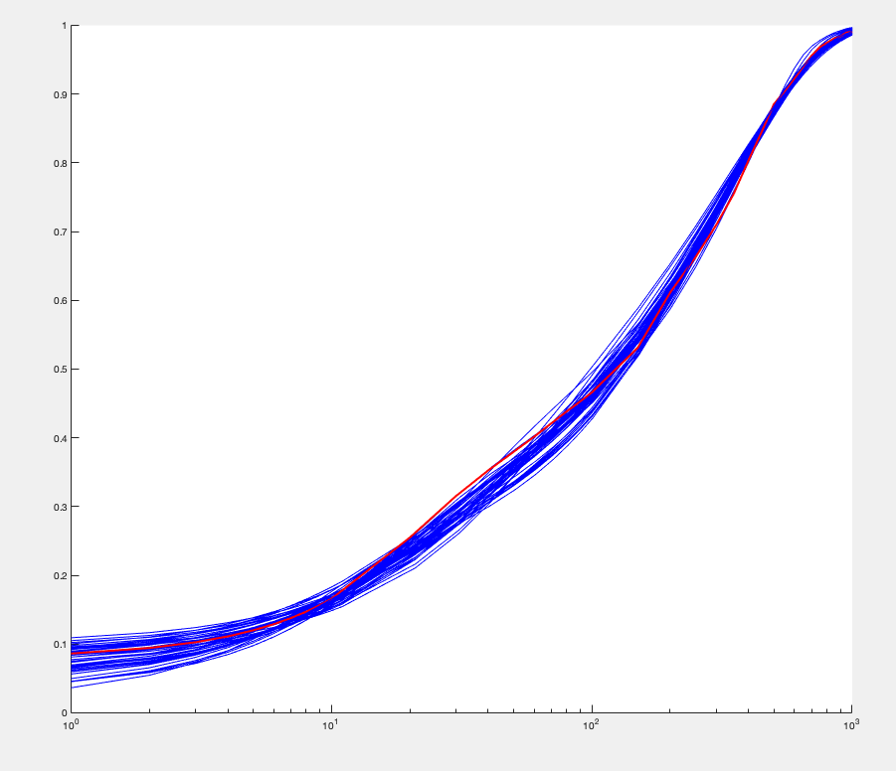
ko | k1 | k2 | k3 | u0 | u1 | kd | Objective function | moment estimators: | mean | var | burst size | frequency
0.037207345547 | 0.08744339206 | 0.13866564157 | 0.0079274809114 | 2.6376874022 | 6.8091734211 | 0.0026395417222 | 0.0052352981926 |  | 206.15365323 | 53051.357532 | 257.33891543 | 0.80422300642 | 1.1172676277
0.032924170635 | 0.086425600605 | 0.14224457565 | 0.0083578633083 | 2.9778709298 | 7.7990986146 | 0.0059652705673 | 0.0056318759585 |  | 206.38968814 | 52199.371481 | 252.91656744 | 0.81927794683 | 1.1069924072
0.041882456374 | 0.0161007635 | 0.013338041193 | 0.0071303633303 | 0.49674371883 | 8.8300432962 | 0.0032485893356 | 0.0062527660323 |  | 208.19238416 | 53708.056427 | 257.97320419 | 0.8101715695 | 1.1131530475
0.062530561828 | 0.11154392976 | 0.17924002218 | 0.0085187790929 | 2.4394170121 | 9.2703790327 | 0.0022036258539 | 0.0071108450699 |  | 205.46064406 | 54675.861636 | 266.11355127 | 0.77499110505 | 1.1380705174
0.031834231317 | 0.079947275654 | 0.13004176918 | 0.0087811112409 | 1.9786748664 | 7.0489411112 | 0.0047385514999 | 0.0072483302584 |  | 208.58355042 | 51837.466553 | 248.52135487 | 0.84268911071 | 1.0915454622
0.071562968793 | 0.10540509252 | 0.17125452635 | 0.0080952954644 | 3.5671692733 | 13.238759467 | 0.0049823027351 | 0.00746521783 |  | 209.08544336 | 60249.535218 | 288.1574836 | 0.72812117149 | 1.1739593319
0.073421109483 | 0.072647208117 | 0.10886377168 | 0.0075699344787 | 2.8311556816 | 11.788738165 | 0.0034967636588 | 0.0075609671609 |  | 208.12163518 | 57164.880148 | 274.67053148 | 0.760482446 | 1.1488079153
0.038485114948 | 0.059836353568 | 0.1055887871 | 0.0074524530899 | 3.4316976593 | 8.8565113237 | 0.0046995579012 | 0.0079071273502 |  | 207.79380293 | 57540.646737 | 276.91223667 | 0.75311557559 | 1.1543959065
0.078547559306 | 0.12411614144 | 0.19975942675 | 0.0084173170653 | 3.8262756171 | 14.488381669 | 0.0057932987441 | 0.0079895855682 |  | 207.75250034 | 58931.694664 | 283.66298633 | 0.73498303771 | 1.1684986251
0.052522782506 | 0.1252303089 | 0.18058238012 | 0.0072456724881 | 4.1593465347 | 8.0084522051 | 0.002098892786 | 0.0080890160199 |  | 208.49640553 | 56276.351989 | 269.91521435 | 0.77532394751 | 1.1377959839
0.040755549372 | 0.088392544984 | 0.18314693687 | 0.0095236321179 | 2.4538689238 | 9.1182650948 | 0.0043526408444 | 0.008119639916 |  | 210.47724069 | 59294.506786 | 281.7145768 | 0.74979091961 | 1.1569166966
0.07287874439 | 0.071190711214 | 0.097351086975 | 0.0082383110736 | 1.3447312923 | 9.9293363602 | 0.0021322273497 | 0.0086957052435 |  | 205.30704814 | 53386.486247 | 260.03240868 | 0.79259212848 | 1.1254126955
0.053615199825 | 0.10811008503 | 0.1688974793 | 0.0072228061591 | 5.5389148083 | 10.048679256 | 0.0048356359156 | 0.0087835856818 |  | 206.09251361 | 56174.47006 | 272.56919271 | 0.75889504091 | 1.1500249853
0.14831238463 | 0.10555948622 | 0.14900146954 | 0.0080435112949 | 2.7639465006 | 19.891324771 | 0.0034282210651 | 0.0087925152322 |  | 207.86442064 | 57389.49174 | 276.09098066 | 0.75562063194 | 1.1524869862
0.065956870126 | 0.06617551043 | 0.090139085533 | 0.0071191142252 | 2.4541557101 | 9.5413071817 | 0.0022236710614 | 0.008861420917 |  | 206.66579109 | 55075.903787 | 266.4974377 | 0.77840973865 | 1.1355655833
0.027834470521 | 0.051652140359 | 0.10251102312 | 0.007970773828 | 2.820769088 | 8.207598446 | 0.0057079057028 | 0.0089914841398 |  | 205.82288231 | 57404.958798 | 278.90464924 | 0.74062410568 | 1.1640752326
0.10512344571 | 0.12151329499 | 0.1789671509 | 0.0085222023585 | 2.9288776514 | 15.788803863 | 0.004568317896 | 0.0092080877697 |  | 206.69668576 | 55840.659905 | 270.15750011 | 0.76793953604 | 1.1432514423
0.11398276146 | 0.075761731168 | 0.10233075786 | 0.0082280659094 | 1.9094740189 | 15.906093565 | 0.0039784875322 | 0.0093250852152 |  | 206.09179634 | 54177.405774 | 262.8799726 | 0.78697043648 | 1.1294015985
0.038400583871 | 0.036202787942 | 0.061655139997 | 0.0099538688237 | 0.61321076212 | 8.3662121107 | 0.0045834133414 | 0.0093850629495 |  | 205.89334262 | 52907.651179 | 256.96630355 | 0.8043767471 | 1.1171640106
0.018618190394 | 0.032411104728 | 0.05633330375 | 0.0095241405771 | 0.8857571849 | 6.0270582668 | 0.0056414554231 | 0.0094157638788 |  | 207.17107733 | 47767.758614 | 230.57156061 | 0.90242483337 | 1.0549656213
0.10389068684 | 0.089040384456 | 0.15589085906 | 0.0096634568218 | 1.8271461872 | 16.910823048 | 0.004475963067 | 0.009524289276 |  | 206.23847324 | 56691.540568 | 274.88343797 | 0.75301549729 | 1.1544880567
0.094514714529 | 0.14644776503 | 0.19794630064 | 0.0073642922385 | 5.2961116059 | 13.764423075 | 0.0043717674481 | 0.0096806785539 |  | 206.30275676 | 55946.584168 | 271.18679869 | 0.76355602036 | 1.1465203207
0.044160535302 | 0.10234693898 | 0.18890081245 | 0.0072901453678 | 7.2446135524 | 10.024431369 | 0.0056571768325 | 0.0096858867383 |  | 205.83505087 | 57498.349232 | 279.34187587 | 0.7395044322 | 1.1649528738
0.1034138936 | 0.11771006258 | 0.15935185638 | 0.0071904798945 | 4.0580958267 | 14.131978964 | 0.0031123833154 | 0.009888384429 |  | 207.32351835 | 57646.238223 | 278.0496814 | 0.74832613885 | 1.1580756116
0.05714100366 | 0.11916953002 | 0.15048806235 | 0.0068838527598 | 3.5874704095 | 8.224001871 | 0.0022426386059 | 0.010553230114 |  | 208.26689831 | 56219.085892 | 269.93769221 | 0.77440576141 | 1.1384701305
0.043252543145 | 0.10206771348 | 0.1708965862 | 0.0074821742794 | 4.3275265345 | 7.9857226114 | 0.0027655193091 | 0.0067126482158 |  | 210.67465042 | 53181.313828 | 252.43337878 | 0.83789452079 | 1.0946297547
0.02986739162 | 0.11663889837 | 0.19459888881 | 0.0071728145952 | 5.3006900616 | 6.0054292538 | 0.0021081234757 | 0.0069237951494 |  | 207.91522087 | 55009.824159 | 264.57814838 | 0.78881812528 | 1.1280642718
0.063336937843 | 0.098847797308 | 0.17720634491 | 0.0086186573595 | 2.8798356941 | 11.674399851 | 0.0039204997742 | 0.0071402699252 |  | 207.30868293 | 56478.461312 | 272.43654494 | 0.76374639596 | 1.1463676863
0.11121487116 | 0.10731280552 | 0.16444752037 | 0.0078043244254 | 2.9837702221 | 15.127322955 | 0.0020600129078 | 0.0075432222901 |  | 208.5783877 | 50085.378534 | 240.12736451 | 0.87224809311 | 1.0729665283
0.12658576668 | 0.1162424672 | 0.17840587394 | 0.0076683633028 | 3.6977654203 | 16.571412038 | 0.0021547015049 | 0.0078043661858 |  | 206.02792232 | 57135.616368 | 277.31977163 | 0.74561411625 | 1.1601853454
0.055072892623 | 0.13139397028 | 0.19393692006 | 0.0072975803939 | 5.2832248399 | 9.3039324257 | 0.0037431979622 | 0.0082329616875 |  | 210.63142625 | 54175.467081 | 257.20505267 | 0.82212050096 | 1.1050404195
0.011436124972 | 0.048410527735 | 0.09938920206 | 0.0079341886658 | 2.2063142764 | 4.667019729 | 0.0030529092715 | 0.0083120346494 |  | 213.15028426 | 53077.866693 | 249.01616658 | 0.85942092887 | 1.080863406
0.14883508175 | 0.071426732393 | 0.10321210844 | 0.0083759152559 | 1.5597133202 | 19.369985854 | 0.0026012354212 | 0.0083879244971 |  | 213.07063711 | 60423.202985 | 283.58296481 | 0.75401090527 | 1.153661148
0.066918745185 | 0.076310316959 | 0.15040305841 | 0.0097835625219 | 1.7516424879 | 12.195758145 | 0.0036470297486 | 0.0083890262773 |  | 210.08150708 | 51931.07798 | 247.19490403 | 0.85331379182 | 1.0847404731
0.016104038491 | 0.051463680015 | 0.099128941748 | 0.0069878337841 | 3.9955283655 | 5.7904821968 | 0.0043003084188 | 0.0083915935274 |  | 206.14443464 | 59855.371853 | 290.35647728 | 0.71242377768 | 1.1868065981
0.036409675183 | 0.11600687806 | 0.18554376126 | 0.006996823041 | 5.4921458851 | 6.8205031645 | 0.0024180163628 | 0.008512382291 |  | 203.93216216 | 57854.362592 | 283.69415584 | 0.7213879663 | 1.1794575989
0.081362647798 | 0.09255292005 | 0.14507047728 | 0.0088404302043 | 2.3250179655 | 14.407684965 | 0.0058844596707 | 0.0085987033521 |  | 208.45216748 | 52989.59386 | 254.20505098 | 0.82325438088 | 1.1043045973
0.096027285668 | 0.072408208481 | 0.13519681485 | 0.0096295737996 | 1.3365681873 | 14.76976363 | 0.0023291044835 | 0.0087445458247 |  | 211.59853079 | 54388.480478 | 257.03619149 | 0.8264399246 | 1.1021502789
0.08859270471 | 0.11025271743 | 0.18689223634 | 0.0093126830781 | 2.210996242 | 13.392814063 | 0.0034086427585 | 0.009066721745 |  | 202.2681556 | 56009.093459 | 276.90514749 | 0.73310758221 | 1.170042824
0.043731528338 | 0.054344036562 | 0.10828840532 | 0.01035658877 | 1.0196961348 | 9.4536617672 | 0.0045831219645 | 0.0090756258938 |  | 205.15350856 | 55760.465274 | 271.79874068 | 0.75758664183 | 1.1510236463
0.068742753236 | 0.10717564973 | 0.15825645597 | 0.0071411202768 | 4.4226973635 | 10.124948962 | 0.0026055609461 | 0.0091077789688 |  | 198.69560986 | 57966.235773 | 291.73385267 | 0.68342784314 | 1.2117116346
0.045482320545 | 0.080910784842 | 0.18357324873 | 0.010933631295 | 1.5296981484 | 9.1441324144 | 0.0034845343976 | 0.0091263186144 |  | 211.75371062 | 56545.111527 | 267.03244709 | 0.79596948767 | 1.1229657306
0.1146886946 | 0.038044769318 | 0.044438064323 | 0.0071558306847 | 1.1076650159 | 15.957188528 | 0.0025617758207 | 0.0093767892922 |  | 204.49631915 | 58041.813106 | 283.82815568 | 0.72304088204 | 1.1781076876
0.11665175914 | 0.11411625812 | 0.16751334317 | 0.0086077024168 | 2.5216825561 | 17.550711587 | 0.0047077526998 | 0.0094426733858 |  | 206.2342176 | 55644.764185 | 269.81344236 | 0.76720202602 | 1.1438035226
0.13499595471 | 0.14105369726 | 0.18695547378 | 0.0075724778819 | 4.180341441 | 17.604814277 | 0.0036227395519 | 0.0095800596547 |  | 206.86582591 | 56922.268332 | 275.16516119 | 0.754529952 | 1.1533267038
0.049585334979 | 0.13837293551 | 0.17550742114 | 0.007269051636 | 4.5742647473 | 9.0303006909 | 0.0057235013265 | 0.0098940482348 |  | 208.51600759 | 54303.236268 | 260.42718205 | 0.80375543513 | 1.1175667069
0.071801349473 | 0.12393587405 | 0.17936109103 | 0.0070787001892 | 5.8411651516 | 11.820508403 | 0.0045712178271 | 0.010091175805 |  | 212.38811496 | 61762.504393 | 290.80019099 | 0.73287776047 | 1.1701249469
0.095234940703 | 0.075597293619 | 0.13433689656 | 0.0075131490335 | 3.9437549378 | 17.801871568 | 0.004399776806 | 0.010208715814 |  | 208.00627353 | 52880.053382 | 254.22335819 | 0.82143399021 | 1.1055273949
0.13776400186 | 0.054637949173 | 0.067452462925 | 0.0070604277228 | 1.869620108 | 17.643396042 | 0.0025791189774 | 0.010240472024 |  | 199.82983703 | 54713.591546 | 273.80091161 | 0.73251161755 | 1.1705427456
0.11230842108 | 0.11082600824 | 0.17298222518 | 0.00927150679 | 2.284772727 | 17.90166505 | 0.0053686522586 | 0.010312991882 |  | 211.51504763 | 52924.593233 | 250.21668116 | 0.84871946233 | 1.0876458196
0.071510422009 | 0.091014620679 | 0.14350968179 | 0.0081220007065 | 3.054385601 | 11.682684914 | 0.003795596277 | 0.0085723738936 |  | 207.42735691 | 55582.321231 | 268.01795115 | 0.77909373987 | 1.1364777228
0.036436274502 | 0.030931659796 | 0.045265869952 | 0.001017853037 | 1.5128836594 | 4.1080750795 | 0.0012353058168 | 0.0011995750278 |  | 2.8878121209 | 2738.6998061 | 13.801883299 | 0.045909457647 | 0.032788089634

1h 500 ng ml^-1
ko | k1 | k2 | k3 | u0 | u1 | kd | Objective function | moment estimators: | mean | var | burst size | frequency
0.15770145143 | 0.060304740973 | 0.16396984249 | 0.011629765087 | 0.74933487398 | 13.381993918 | 0.0037 | 0.0070615966713 |  | 32.292699142 | 4575.0914385 | 141.67572114 | 0.22955417524
0.098213862575 | 0.038872575536 | 0.11436062777 | 0.010636237719 | 0.69015506202 | 11.968079362 | 0.0037 | 0.0073061520548 |  | 33.460174448 | 5527.4092642 | 165.19367742 | 0.20378479228
0.11533134216 | 0.071295015052 | 0.19049769709 | 0.010776262211 | 0.98947184779 | 10.892089886 | 0.0037 | 0.0074198677468 |  | 32.788060706 | 4752.2774913 | 144.93926719 | 0.22779093813
0.018010986705 | 0.051449439445 | 0.15517171153 | 0.010943319623 | 0.86740779116 | 4.3441788992 | 0.0037 | 0.0085579605355 |  | 28.674108148 | 3034.2534744 | 105.81858235 | 0.27355939666
0.10533085345 | 0.025631053465 | 0.10562147945 | 0.015457002097 | 0.37161777154 | 12.626832905 | 0.0037 | 0.0088678048465 |  | 32.72519024 | 5238.6628868 | 160.08044104 | 0.20571473165
0.086009495727 | 0.067305261275 | 0.19085303712 | 0.0099122144108 | 1.3423028153 | 9.6595741775 | 0.0037 | 0.0091180374839 |  | 32.715578941 | 4865.1067029 | 148.70917344 | 0.22148643973
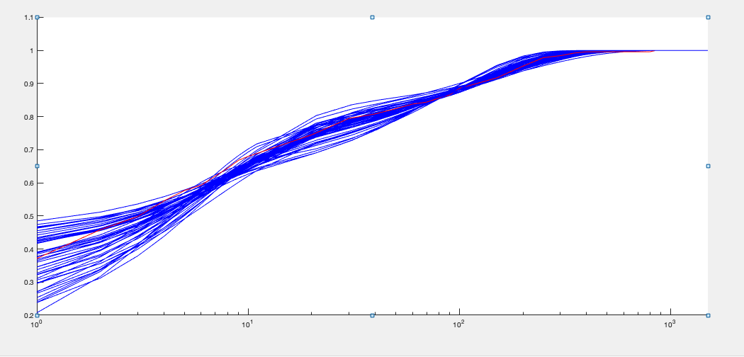
0.12250267805 | 0.037561329443 | 0.13663544155 | 0.011295771669 | 0.83700804992 | 16.649283248 | 0.0037 | 0.0094315537343 |  | 35.841681279 | 6979.4756856 | 194.73070002 | 0.18500775187
0.18289389388 | 0.056927691283 | 0.12804233071 | 0.0090567802381 | 0.97690066415 | 16.334277506 | 0.0037 | 0.0095622405337 |  | 32.846863291 | 5139.7151843 | 156.47506852 | 0.2112677203
0.04371324934 | 0.031275658997 | 0.15636423464 | 0.016799452103 | 0.45116901256 | 7.152699662 | 0.0037 | 0.0098836293156 |  | 31.622917057 | 4469.3291604 | 141.33196986 | 0.22534364114
0.1593865639 | 0.034601372981 | 0.10341186046 | 0.013936988433 | 0.44412016249 | 13.731319862 | 0.0037 | 0.0098846625492 |  | 32.242457589 | 4341.1480026 | 134.64072925 | 0.24126220928
0.16348590036 | 0.043165018489 | 0.082885449422 | 0.0090929210403 | 0.68113049924 | 14.263776651 | 0.0037 | 0.010039993666 |  | 32.745603026 | 4789.3564091 | 146.25952697 | 0.22542826421
0.16654232546 | 0.088682287927 | 0.19156124312 | 0.0096631875132 | 1.1564513654 | 12.806348245 | 0.0037 | 0.010229320031 |  | 32.236393809 | 4476.721263 | 138.87165201 | 0.23381451763
0.099256126305 | 0.04137376411 | 0.15039586404 | 0.013987931448 | 0.65822508423 | 10.790875814 | 0.0037 | 0.010483024574 |  | 33.533427015 | 4887.3743252 | 145.74634209 | 0.23167028977
0.026726494727 | 0.045489815147 | 0.15261649433 | 0.0091039707285 | 1.2690258466 | 7.0589113067 | 0.0037 | 0.010721256333 |  | 32.861129009 | 5240.7201598 | 159.48083093 | 0.20735081218
0.15076290013 | 0.089051490451 | 0.18531967112 | 0.010189907456 | 0.97837500896 | 10.944648254 | 0.0037 | 0.010950824216 |  | 31.863243621 | 4098.023916 | 128.61289217 | 0.24968671331
0.17835332526 | 0.06518831673 | 0.19871321961 | 0.0089862785998 | 1.6280140246 | 19.767102903 | 0.0037 | 0.01126017892 |  | 33.300230889 | 6119.1278062 | 183.75631768 | 0.18221110663
0.173308716 | 0.045136984806 | 0.096725054414 | 0.0081747928795 | 0.97126311153 | 18.121186893 | 0.0037 | 0.01132915938 |  | 34.464564015 | 6074.9452605 | 176.26641839 | 0.19664100135
0.1347250019 | 0.050628731603 | 0.16262178409 | 0.016855174592 | 0.41905837225 | 9.8120367121 | 0.0037 | 0.011381658014 |  | 31.351496374 | 3539.9593711 | 112.91197488 | 0.28014425093
0.073737821814 | 0.046804962217 | 0.19607378177 | 0.0118411877 | 1.1387443958 | 12.155232586 | 0.0037 | 0.011453572789 |  | 36.808489231 | 7123.1199178 | 193.51839933 | 0.1911946565
0.15897724068 | 0.05911150672 | 0.12579189268 | 0.0081379427994 | 1.2619669097 | 14.985342451 | 0.0037 | 0.011504888562 |  | 33.226527803 | 5314.2908997 | 159.94120515 | 0.20904917495
0.02073017392 | 0.064799965662 | 0.16366254083 | 0.0080843267762 | 1.5367686172 | 5.558948861 | 0.0037 | 0.011563944059 |  | 31.826865243 | 4316.1713876 | 135.61409063 | 0.23643041449
0.068606675171 | 0.031125305719 | 0.12988134733 | 0.012265011554 | 0.75677283903 | 11.466765213 | 0.0037 | 0.011797324521 |  | 35.100823199 | 6440.7979018 | 183.49421224 | 0.1923393776
0.16121531711 | 0.06390549802 | 0.13933975358 | 0.008114112636 | 1.2737456958 | 15.56250883 | 0.0037 | 0.01187040144 |  | 33.255527443 | 5530.0706184 | 166.29026942 | 0.2011947077
0.15019617813 | 0.094922460911 | 0.19413707103 | 0.0082606775977 | 1.6026290129 | 13.002135614 | 0.0037 | 0.012148320448 |  | 33.131057985 | 5093.9215189 | 153.75064452 | 0.21689635476
0.13150513438 | 0.036457869917 | 0.19414602739 | 0.015428124088 | 0.78080163023 | 18.29045019 | 0.0037 | 0.012255543871 |  | 36.234528031 | 7155.0081185 | 197.46381441 | 0.1844335973
0.14846938289 | 0.046943344527 | 0.1588938849 | 0.009252875401 | 1.3543737123 | 19.856828419 | 0.0037 | 0.012424256473 |  | 34.916820271 | 7119.1059442 | 203.88757879 | 0.1720993492
0.17178009186 | 0.040167843466 | 0.17159516459 | 0.011347251436 | 0.98376196649 | 19.764027671 | 0.0037 | 0.012571812323 |  | 30.0222234 | 5238.3900281 | 174.48374687 | 0.17305496302
0.103138166 | 0.069371176542 | 0.12538251985 | 0.0083083963473 | 1.0663778078 | 9.1186680084 | 0.0037 | 0.012831252416 |  | 31.965664057 | 4306.3260391 | 134.71724008 | 0.23905417161
0.12185563216 | 0.075365355007 | 0.14833003114 | 0.0077962680819 | 1.4463164007 | 11.649198669 | 0.0037 | 0.012940209128 |  | 33.235009532 | 5164.1188991 | 155.38189914 | 0.21527789019
0.086285540518 | 0.072432470475 | 0.18506440788 | 0.0078108108987 | 2.0858827458 | 11.520607639 | 0.0037 | 0.013199467417 |  | 35.262807536 | 6298.2735397 | 178.60953168 | 0.19854118865
0.17324856225 | 0.065129356849 | 0.16532153605 | 0.015528860304 | 0.41885386425 | 9.9679428631 | 0.0037 | 0.013404946534 |  | 30.021553844 | 3010.4759278 | 100.27715232 | 0.30240144023
0.12897035633 | 0.092800301184 | 0.16816733459 | 0.0095879551345 | 1.0574742744 | 8.8070267771 | 0.0037 | 0.013484408298 |  | 31.148261025 | 3652.1468629 | 117.25042563 | 0.2679410493
0.18440135305 | 0.082463146588 | 0.19557151318 | 0.0075336424193 | 2.1348217909 | 19.513283363 | 0.0037 | 0.013848720587 |  | 34.793741053 | 6561.4865217 | 188.58238071 | 0.1854851235
0.16066803371 | 0.093464733178 | 0.16210625888 | 0.0094415143328 | 0.91684641735 | 10.57587239 | 0.0037 | 0.013954292323 |  | 31.493597798 | 3889.7489882 | 123.50919743 | 0.25707129309
0.12498830653 | 0.065404194043 | 0.16994639866 | 0.0077087549581 | 1.832376527 | 15.931455476 | 0.0037 | 0.014029730415 |  | 35.357266471 | 6972.080522 | 197.18946678 | 0.18022000392
0.098127557961 | 0.1008557397 | 0.19807570999 | 0.0073641518254 | 2.2360138076 | 10.298941101 | 0.0037 | 0.014379353236 |  | 34.556843747 | 5522.7875483 | 159.81747606 | 0.2175884204
0.11055698725 | 0.018905481591 | 0.013588735904 | 0.012929923369 | 0.095791844062 | 8.6899340125 | 0.0037 | 0.014474158515 |  | 30.679997298 | 3252.1339726 | 106.00176855 | 0.29218552908
0.026734218479 | 0.084834382226 | 0.18633541462 | 0.0072523590669 | 2.0603721726 | 5.8672859259 | 0.0037 | 0.014654207759 |  | 32.473054797 | 4561.9607425 | 140.48449618 | 0.2328076287
0.053264168288 | 0.085425898815 | 0.16942786188 | 0.0070480798957 | 2.0353069785 | 7.3623170432 | 0.0037 | 0.015073814034 |  | 32.938438841 | 4869.1344129 | 147.82529422 | 0.22433763212
0.10394135949 | 0.10312756824 | 0.19090683174 | 0.0069927147911 | 2.3072188041 | 9.9239897226 | 0.0037 | 0.015453455209 |  | 32.597644201 | 4915.6587207 | 150.79797455 | 0.21761071402
0.10890443756 | 0.034065572704 | 0.10804180156 | 0.021134081315 | 0.20350141552 | 7.1739373041 | 0.0037 | 0.015809250801 |  | 29.691068823 | 2731.6672323 | 92.002994187 | 0.32626474643
0.043943776353 | 0.056398324323 | 0.18937534511 | 0.0078608824813 | 2.1873512257 | 9.0179009854 | 0.0037 | 0.015935969222 |  | 32.925430231 | 5820.3228807 | 176.77287251 | 0.18731804152
0.092672731124 | 0.036767483027 | 0.16150398279 | 0.0096960470199 | 1.1642646423 | 17.975779253 | 0.0037 | 0.016067282376 |  | 35.838563658 | 8894.5234113 | 248.18303256 | 0.14498796008
0.16135159755 | 0.048139929078 | 0.097479326887 | 0.0068396750683 | 1.5789956904 | 17.856592986 | 0.0037 | 0.016205692061 |  | 34.914352925 | 6368.4110796 | 182.40094821 | 0.19247061975
0.039167762824 | 0.047568649201 | 0.12693486858 | 0.0071443272284 | 1.7467513192 | 8.2760277193 | 0.0037 | 0.016210590515 |  | 33.049767784 | 5558.4993351 | 168.18573043 | 0.19768294638
0.087664443278 | 0.084087234761 | 0.17865248318 | 0.013600441029 | 0.55621141798 | 5.4684142931 | 0.0037 | 0.016256108143 |  | 29.16084021 | 2569.0502003 | 88.099320245 | 0.33479985984
0.15949322025 | 0.13750357125 | 0.1963640762 | 0.0079122762599 | 1.697549465 | 9.7186458323 | 0.0037 | 0.016806839618 |  | 31.760145086 | 3902.9370408 | 122.88788449 | 0.26056851522
0.063812200824 | 0.05623117429 | 0.13540712696 | 0.0066814186252 | 2.233918523 | 10.267938509 | 0.0037 | 0.017231694413 |  | 34.565404358 | 6155.3044062 | 178.07702587 | 0.19519982441
0.12104087769 | 0.084620738119 | 0.13889431187 | 0.0065587779335 | 1.9081391126 | 10.849227862 | 0.0037 | 0.017387157276 |  | 32.261210064 | 4871.5422829 | 151.00308616 | 0.21507030881
0.068594924732 | 0.065750801113 | 0.17466561222 | 0.012205195335 | 0.95778597867 | 6.4195619825 | 0.0037 | 0.017516392253 |  | 31.573884166 | 3476.1878912 | 110.09693558 | 0.28941128362
0.11380598795 | 0.061777851743 | 0.15449663994 | 0.010283320431 | 1.2019743674 | 11.863960115 | 0.0037 | 0.012564679553 |  | 32.887064574 | 5096.0870519 | 153.44198761 | 0.22365415077
0.048136809442 | 0.024079389488 | 0.037609131522 | 0.003211224891 | 0.59488088467 | 4.2100646567 | 1.3142515E-18 | 0.0028083203921 |  | 1.8183313943 | 1309.727607 | 32.143875198 | 0.040080532518

2h 500 ng ml^-1
ko | k1 | k2 | k3 | u0 | u1 | kd | Objective function | moment estimators: | mean | var | burst size | frequency
0.0298292976 | 0.12725349635 | 0.17353893132 | 0.008321783167 | 1.8763556676 | 8.1202035041 | 0.0037 | 0.0070052076442 |  | 174.55646334 | 51510.68383 | 295.0946808 | 0.59353832196
0.022527537639 | 0.16837252035 | 0.19991644171 | 0.0069227508533 | 4.0054319736 | 7.3426891176 | 0.0037 | 0.0093034818708 |  | 174.40056012 | 51727.829248 | 296.60357289 | 0.58998123201
0.020234802527 | 0.1422207368 | 0.16345482957 | 0.0067986745413 | 3.8948922295 | 7.0336929328 | 0.0037 | 0.0097858804863 |  | 174.67143391 | 50361.908238 | 288.32366638 | 0.60792567528
0.034503867474 | 0.098928014614 | 0.088719582521 | 0.0063841110975 | 2.6832747141 | 8.1623787035 | 0.0037 | 0.010473839228 |  | 175.42734294 | 51179.372479 | 291.74113694 | 0.60337984775
0.12176053751 | 0.15375824964 | 0.18348387904 | 0.0079849146812 | 2.1115280431 | 19.118093049 | 0.0037 | 0.010517363964 |  | 173.6909581 | 59017.115793 | 339.78231475 | 0.51269192793
0.089729477206 | 0.12338047867 | 0.13676971722 | 0.0083670226425 | 1.3314349987 | 13.968079362 | 0.0037 | 0.010867106311 |  | 173.52330472 | 53255.757971 | 306.90838937 | 0.56723944406
0.078537962349 | 0.12846663279 | 0.14341738105 | 0.0074099927584 | 2.2377717903 | 13.905304587 | 0.0037 | 0.010883319495 |  | 176.1292142 | 59197.583501 | 336.10314886 | 0.52559701335
0.083033151109 | 0.14569163963 | 0.14204055994 | 0.0068295696344 | 2.892514968 | 13.182023157 | 0.0037 | 0.011412259456 |  | 171.16344917 | 55183.241438 | 322.40084963 | 0.532554439
0.10321260441 | 0.08049984255 | 0.084079966962 | 0.0081167067047 | 0.80702459851 | 16.097812644 | 0.0037 | 0.011544291933 |  | 171.23491489 | 53806.886506 | 314.22847695 | 0.54667735372
0.062512382804 | 0.1319356252 | 0.12981965415 | 0.0066274349887 | 3.1555768725 | 11.206100455 | 0.0037 | 0.011742132872 |  | 172.56120858 | 55037.556174 | 318.94512462 | 0.54273896724
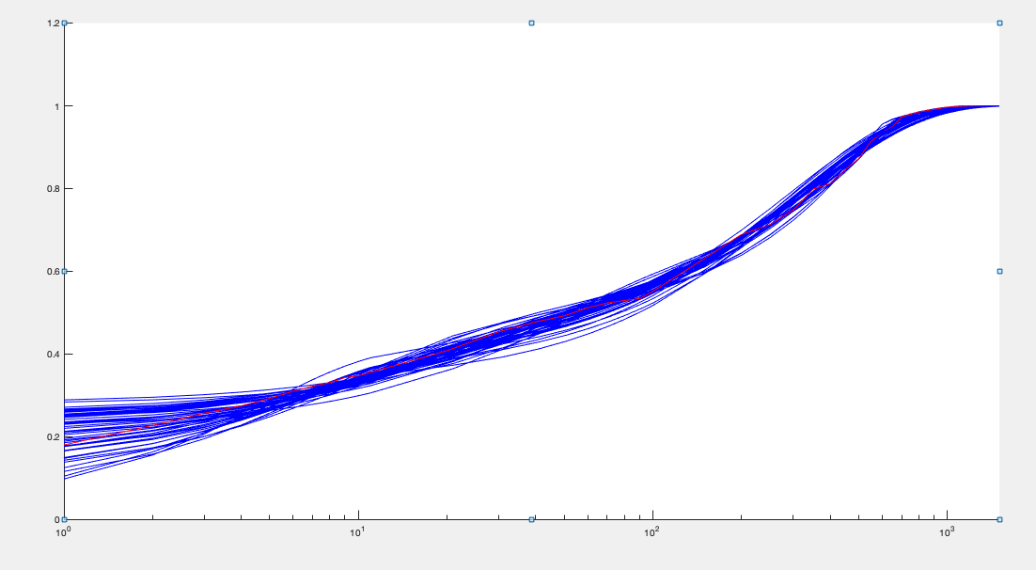
0.077830054634 | 0.10303644035 | 0.16559325475 | 0.010834949338 | 0.73812213252 | 13.649290544 | 0.0037 | 0.011900624461 |  | 170.8919362 | 51302.827531 | 300.20625123 | 0.57115095523
0.019943752494 | 0.11152355178 | 0.14118249235 | 0.0067481240825 | 3.829724229 | 7.473123419 | 0.0037 | 0.011914415941 |  | 174.86997786 | 52962.967165 | 302.87055453 | 0.57928796048
0.12338774548 | 0.14912887515 | 0.18538780042 | 0.0091372585226 | 1.3756081811 | 17.827681183 | 0.0037 | 0.011944718989 |  | 171.0473295 | 52537.274816 | 307.15051191 | 0.55870339209
0.05318562172 | 0.14834359537 | 0.18684954857 | 0.0092914414906 | 1.2798302606 | 9.6566493234 | 0.0037 | 0.012025383818 |  | 173.60474623 | 48667.606921 | 280.33569346 | 0.62149145381
0.12782568398 | 0.13777082471 | 0.14714795844 | 0.0078077777828 | 1.5651512348 | 18.945836678 | 0.0037 | 0.012092538255 |  | 173.71500375 | 57801.333676 | 332.73656523 | 0.52365347074
0.072831120123 | 0.057364823115 | 0.091744141044 | 0.011048507401 | 0.47117999873 | 13.687516221 | 0.0037 | 0.012142228061 |  | 171.10975242 | 51459.37718 | 300.73900787 | 0.57086247678
0.070331901413 | 0.1857708279 | 0.16887843131 | 0.0063982031525 | 4.1763587655 | 11.747637208 | 0.0037 | 0.012385976092 |  | 176.16848857 | 57938.672795 | 328.88215858 | 0.53729208486
0.020428209927 | 0.12507986676 | 0.14130124482 | 0.006106750427 | 5.3941765864 | 7.3064442286 | 0.0037 | 0.012399737269 |  | 174.03522351 | 52283.042779 | 300.41644286 | 0.58124804986
0.10965712779 | 0.062173815991 | 0.07645586132 | 0.0091815499587 | 0.70751037681 | 17.726080354 | 0.0037 | 0.012884481292 |  | 171.17887151 | 52932.627926 | 309.22407338 | 0.55537151797
0.16801367009 | 0.16014203359 | 0.14189037113 | 0.0076471270568 | 1.6266031559 | 19.56667352 | 0.0037 | 0.012948101512 |  | 166.36651994 | 49609.6509 | 298.19491878 | 0.55978924747
0.020237283403 | 0.17108558232 | 0.14501931188 | 0.0059429037997 | 4.90137585 | 6.7366368104 | 0.0037 | 0.013075852032 |  | 180.4767062 | 51560.042504 | 285.68807348 | 0.63394544069
0.039560355657 | 0.12918613735 | 0.18506440788 | 0.0078108108987 | 2.5858827458 | 10.020607639 | 0.0037 | 0.013140175363 |  | 173.38613838 | 57332.55882 | 330.66402745 | 0.52594800749
0.1026501705 | 0.1634723941 | 0.1408628399 | 0.0063896791492 | 3.6853186489 | 14.31187076 | 0.0037 | 0.013163790639 |  | 170.59036943 | 54903.364452 | 321.84328245 | 0.53169375443
0.083177966177 | 0.15290628696 | 0.17026540658 | 0.0070165135949 | 3.3571874572 | 15.103373549 | 0.0037 | 0.013255313426 |  | 181.08035369 | 64859.737159 | 358.18207683 | 0.50696931745
0.010388703611 | 0.17648259682 | 0.17324387778 | 0.0060529864778 | 5.6583790661 | 6.0529866813 | 0.0037 | 0.013431728511 |  | 178.73353846 | 49488.452728 | 276.88397575 | 0.6478576292
0.01298818325 | 0.17873728813 | 0.16850792917 | 0.0059333884153 | 6.1561685314 | 6.128668287 | 0.0037 | 0.013615771126 |  | 176.55084473 | 48592.311996 | 275.23126309 | 0.64380276246
0.079944732869 | 0.10780635122 | 0.15547000843 | 0.0082718537592 | 1.7622039665 | 16.606828419 | 0.0037 | 0.01438419798 |  | 181.09697524 | 67263.215788 | 371.42097872 | 0.4888950293
0.066060520198 | 0.083976405536 | 0.14294830197 | 0.0094392950898 | 1.1896158974 | 14.696811594 | 0.0037 | 0.014478490537 |  | 176.61842451 | 62495.488734 | 353.84467338 | 0.50055573411
0.087774717046 | 0.081978206874 | 0.074143656962 | 0.006404901681 | 1.9299653891 | 15.509932699 | 0.0037 | 0.01457908179 |  | 179.99634285 | 63457.849225 | 352.55076974 | 0.5120066811
0.1164016627 | 0.069484687357 | 0.064540790235 | 0.0065115838992 | 1.8591023388 | 19.514225214 | 0.0037 | 0.014643152362 |  | 179.26929739 | 63831.217438 | 356.06329901 | 0.50489391015
0.057147886374 | 0.17717196156 | 0.15529900507 | 0.0057287151936 | 6.9197985292 | 9.5982749969 | 0.0037 | 0.015320704203 |  | 168.59456014 | 51723.008129 | 306.78930617 | 0.55134223706
0.014525165169 | 0.10774145531 | 0.14913646009 | 0.0059099448285 | 7.9375488598 | 6.9778326065 | 0.0037 | 0.015349993101 |  | 170.53181314 | 50844.204794 | 298.15084856 | 0.57388970605
0.1653763163 | 0.14569457265 | 0.1020348779 | 0.0060133796211 | 3.3923902514 | 18.809980264 | 0.0037 | 0.015669862217 |  | 172.45635119 | 55611.031164 | 322.46438464 | 0.53647109738
0.17148693418 | 0.07385447626 | 0.057959160363 | 0.0080291195908 | 0.62772328813 | 19.528306135 | 0.0037 | 0.016147374844 |  | 163.92386178 | 44732.04787 | 272.88307746 | 0.60292042928
0.07479141529 | 0.15715412454 | 0.11878588339 | 0.0074515280358 | 1.4357289837 | 10.193599095 | 0.0037 | 0.016156676831 |  | 176.35640236 | 48541.884472 | 275.2487793 | 0.64305264297
0.12214749242 | 0.16806252852 | 0.16923626484 | 0.006310518622 | 5.1639672733 | 19.418998167 | 0.0037 | 0.016278037953 |  | 180.50250251 | 66963.641781 | 370.98456172 | 0.48786495757
0.0061495227047 | 0.078587373025 | 0.11880098139 | 0.0057074106357 | 7.2391648294 | 6.6639454446 | 0.0037 | 0.016371977151 |  | 173.83153668 | 53030.361037 | 305.06755017 | 0.57168723389
0.1168085429 | 0.1871026131 | 0.18357005319 | 0.0062365751763 | 6.2513269637 | 18.333675657 | 0.0037 | 0.016417910364 |  | 183.34868521 | 67580.480088 | 368.58993567 | 0.49878592264
0.02593379026 | 0.12687090645 | 0.11737033952 | 0.0052654628763 | 8.2609138551 | 7.2494294188 | 0.0037 | 0.016497353395 |  | 174.67194077 | 51833.98004 | 296.75046726 | 0.59060579816
0.11179360559 | 0.13313224282 | 0.12000372134 | 0.005952286 | 4.6658045129 | 17.19979398 | 0.0037 | 0.016745193346 |  | 179.7955926 | 64414.028281 | 358.26255444 | 0.50325899079
0.15600889942 | 0.15430154724 | 0.11026607395 | 0.005804094957 | 4.4516345988 | 18.063216145 | 0.0037 | 0.016767670793 |  | 173.34649047 | 56805.660546 | 327.70009011 | 0.53059823281
0.14572353208 | 0.1686465889 | 0.10034471571 | 0.0059066806614 | 3.4002344766 | 14.904891088 | 0.0037 | 0.016897804618 |  | 171.1099291 | 51625.527351 | 301.70971153 | 0.56902029613
0.10734477995 | 0.14317899736 | 0.081839327343 | 0.0057349214651 | 3.1464914316 | 12.116157008 | 0.0037 | 0.017061298489 |  | 172.81843673 | 51270.365218 | 296.6718493 | 0.58449405021
0.0070241908239 | 0.041958352972 | 0.060188943033 | 0.0053215720787 | 5.5438930808 | 6.9715330213 | 0.0037 | 0.017280341252 |  | 174.33167665 | 52627.48214 | 301.88135141 | 0.57940339551
0.023069423123 | 0.13087322685 | 0.18339098701 | 0.0062382614052 | 9.3810246318 | 7.4068705799 | 0.0037 | 0.017314120518 |  | 168.94352115 | 49066.645888 | 290.43224359 | 0.58370663563
0.10966793125 | 0.062809117979 | 0.14422716342 | 0.013807046924 | 0.37518141435 | 19.43205125 | 0.0037 | 0.017476220513 |  | 160.77405589 | 48998.960995 | 304.76907934 | 0.52926405888
0.0805219839 | 0.17546444694 | 0.13194429939 | 0.0056340844653 | 6.873851208 | 10.219069539 | 0.0037 | 0.017744628692 |  | 165.69187754 | 48138.415611 | 290.52972497 | 0.5722793318
0.1744750812 | 0.16077627308 | 0.11641396089 | 0.0056669017884 | 5.4808511303 | 19.550140352 | 0.0037 | 0.017950318452 |  | 173.28253258 | 57341.913169 | 330.91571503 | 0.52523273273
0.16095805931 | 0.14193522697 | 0.093627387732 | 0.0055853428179 | 4.4394439516 | 17.547663446 | 0.0037 | 0.018118682014 |  | 171.94874926 | 55217.659804 | 321.12859233 | 0.53712399761
0.10331950995 | 0.093615818351 | 0.17373628255 | 0.01371385529 | 0.38599154796 | 16.810246605 | 0.0037 | 0.018356870902 |  | 179.4684176 | 52065.035187 | 290.10694965 | 0.62076825832
0.080855497318 | 0.12969779358 | 0.13599828933 | 0.0072751253896 | 3.4923647097 | 13.148018533 | 0.0037 | 0.013997273647 |  | 173.87749247 | 54599.797785 | 313.68593463 | 0.55939026207
0.049675629335 | 0.038154970419 | 0.037972408797 | 0.0019149127388 | 2.3075657176 | 4.7343758983 | 1.3142515E-18 | 0.0027009889053 |  | 4.5317802342 | 5553.1917921 | 26.702498285 | 0.042454132835

ifng
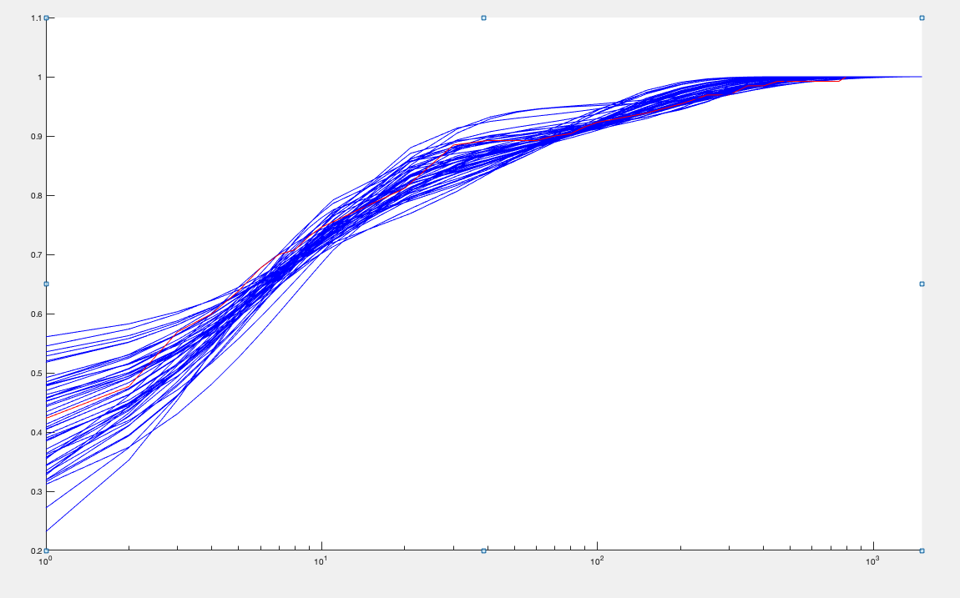
ko | k1 | k2 | k3 | u0 | u1 | kd | Objective function | moment estimators: | mean | var | burst size | frequency
0.025884756756 | 0.024230406079 | 0.17264644073 | 0.0032550290841 | 1.0802135518 | 6.7031695078 | 0.0037 | 0.0093999244881 |  | 27.853095225 | 7272.0083006 | 261.08438728 | 0.10709253069
0.02653922096 | 0.026668102137 | 0.2 | 0.0032006313188 | 1.3326320967 | 7.1401529283 | 0.0037 | 0.0098907988212 |  | 27.815834113 | 7544.0573433 | 271.21449289 | 0.10293983056
0.073269510539 | 0.029111611192 | 0.17487588367 | 0.0037668579117 | 0.90829565501 | 10.439116445 | 0.0037 | 0.0099583125514 |  | 25.216078978 | 4706.3837864 | 186.64217345 | 0.13583162979
0.016196325383 | 0.022964327416 | 0.17522663761 | 0.0034457546053 | 0.98352412151 | 4.8035770595 | 0.0037 | 0.0099727478582 |  | 26.605929463 | 6192.3774733 | 232.74426409 | 0.11480728366
0.077128239927 | 0.016256691235 | 0.095383307065 | 0.0036841004352 | 0.46516151254 | 12.655026129 | 0.0037 | 0.010667058867 |  | 26.887045756 | 5881.1946856 | 218.73711002 | 0.12348398376
0.092558593091 | 0.016577820706 | 0.1615156115 | 0.0051724662093 | 0.52359244078 | 17.88350408 | 0.0037 | 0.010722305281 |  | 27.564291637 | 6817.1523324 | 247.31824863 | 0.11190519497
0.06563429043 | 0.034111554733 | 0.17023335079 | 0.003029590555 | 1.1640198189 | 10.910868585 | 0.0037 | 0.010797598699 |  | 27.863102517 | 6206.6062446 | 222.75359468 | 0.1256489328
0.12364068887 | 0.028126664145 | 0.19278679035 | 0.0041222695811 | 0.92986147078 | 19.99195043 | 0.0037 | 0.010869413248 |  | 27.925474355 | 6095.4364539 | 218.27512673 | 0.12852586844
0.066328142281 | 0.040354291837 | 0.2 | 0.0035769992415 | 1 | 7.9881897636 | 0.0037 | 0.010872968309 |  | 24.208910146 | 3960.641906 | 163.60265217 | 0.14888385782
0.18694849288 | 0.033519580271 | 0.15744604339 | 0.0043483949754 | 0.56880605646 | 16.059588655 | 0.0037 | 0.011306374953 |  | 22.868259044 | 2975.1377217 | 130.09900386 | 0.17713737799
0.039553300815 | 0.023431408112 | 0.18948843102 | 0.0030903349777 | 1.3565561121 | 11.717858318 | 0.0037 | 0.01155109023 |  | 29.520164503 | 9785.9335946 | 331.49996821 | 0.089319719644
0.046388421978 | 0.016258019097 | 0.090394174008 | 0.0026307685621 | 0.80851487363 | 10.886148777 | 0.0037 | 0.011608284937 |  | 28.604865664 | 8067.8431937 | 282.04443568 | 0.10178057998
0.0036995242587 | 0.017270487833 | 0.18511390753 | 0.0040424828266 | 0.95386903356 | 3.244201208 | 0.0037 | 0.011872539438 |  | 26.751333935 | 5736.6739542 | 214.44440745 | 0.12533162267
0.051349656119 | 0.020565053549 | 0.097710933002 | 0.0025520805888 | 0.90350668932 | 10.06222937 | 0.0037 | 0.012233111111 |  | 27.924267845 | 6919.5072796 | 247.79547733 | 0.11314740508
0.17961144694 | 0.023829339647 | 0.1224482739 | 0.0041833500082 | 0.44505042373 | 18.230451124 | 0.0037 | 0.012412063361 |  | 23.097876797 | 3471.371832 | 150.28965054 | 0.15471854019
0.10422276245 | 0.040987065129 | 0.1842433068 | 0.0028251316649 | 1.3119845437 | 14.839262885 | 0.0037 | 0.012564405324 |  | 26.02414379 | 5324.1383622 | 204.58457366 | 0.12782964506
0.10456493036 | 0.044342800657 | 0.2 | 0.003007774806 | 1.3968179857 | 13.234660246 | 0.0037 | 0.012772826074 |  | 25.153298973 | 4549.1462883 | 180.85684479 | 0.13985177491
0.068058084982 | 0.023290843964 | 0.094890612556 | 0.0029803977472 | 0.62607703357 | 8.9156564009 | 0.0037 | 0.012870389304 |  | 25.565130425 | 4665.2033618 | 182.48306519 | 0.14086785672
0.10414600609 | 0.014211011258 | 0.1151852048 | 0.0065678538935 | 0.25586347756 | 11.215024627 | 0.0037 | 0.01294189999 |  | 23.046693295 | 3314.9434695 | 143.83596931 | 0.16135076764
0.041280536536 | 0.017095455368 | 0.10003223433 | 0.00248199561 | 1.0225336945 | 11.300298848 | 0.0037 | 0.013292467602 |  | 29.924131693 | 9468.1918082 | 316.40656796 | 0.094874789344
0.1814915846 | 0.04747339124 | 0.1866529893 | 0.0039070386603 | 0.7788481609 | 13.351449806 | 0.0037 | 0.013699472775 |  | 21.690249915 | 2505.4500403 | 115.5104275 | 0.18941724687
0.0018657255445 | 0.027654928963 | 0.16915520377 | 0.0026179015236 | 1.450045224 | 2.5547544879 | 0.0037 | 0.013856462505 |  | 25.380497013 | 4542.2764669 | 178.96719928 | 0.14261334176
0.018186166708 | 0.029823386335 | 0.19813300058 | 0.0033723411574 | 1.4386989362 | 4.7465153496 | 0.0037 | 0.013873811911 |  | 28.710006684 | 6207.5318089 | 216.21492037 | 0.13340156265
0.097357998101 | 0.018281986051 | 0.11351691395 | 0.0038187402604 | 0.47634428757 | 15.800491686 | 0.0037 | 0.013892517202 |  | 26.44375178 | 5881.1730661 | 222.40312626 | 0.11943712009
0.11185013661 | 0.026627835498 | 0.11244044035 | 0.0044792943915 | 0.32892001754 | 8.9518439254 | 0.0037 | 0.014042525811 |  | 22.493334304 | 2732.8578111 | 121.49634083 | 0.18667234331
0.085114196061 | 0.021546731435 | 0.18455608717 | 0.00309233475 | 1.4420734664 | 17.682782238 | 0.0037 | 0.014735419362 |  | 23.299673353 | 5618.3033907 | 241.13228136 | 0.097028492884
0.08104418004 | 0.021972915169 | 0.085350686937 | 0.0023064643348 | 0.84348641831 | 13.65359903 | 0.0037 | 0.015614918928 |  | 27.39542204 | 6519.3923172 | 237.97378656 | 0.11560528461
0.04930502893 | 0.063892537811 | 0.19554504191 | 0.0030750653242 | 1.1155255399 | 4.0133476375 | 0.0037 | 0.016335978308 |  | 22.012201673 | 2559.92966 | 116.29593887 | 0.19091914155
0 | 0.026314957376 | 0.18160293783 | 0.0023032129313 | 2.115797299 | 2.847626755 | 0.0037 | 0.016373960367 |  | 26.008957321 | 5301.484177 | 203.83301459 | 0.12822842165
0.14104914918 | 0.032934611603 | 0.12377283007 | 0.0040445846479 | 0.52934591209 | 9.0186488002 | 0.0037 | 0.016457692367 |  | 20.249168445 | 1988.2809854 | 98.190747475 | 0.20834461069
0.12057276618 | 0.031289093666 | 0.1273232955 | 0.0022803883633 | 1.5760703295 | 17.800590835 | 0.0037 | 0.01662200891 |  | 26.191950059 | 5460.7298731 | 208.48886245 | 0.1262330409
0.053314502306 | 0.016238129336 | 0.18442178057 | 0.0031742087175 | 1.3011388119 | 14.05714028 | 0.0037 | 0.016762658825 |  | 21.774009185 | 6009.8188843 | 276.00883389 | 0.079175671839
0.12153552307 | 0.036471007479 | 0.10519211752 | 0.0025690902204 | 0.81522161822 | 10.3631067 | 0.0037 | 0.017306307295 |  | 22.301726578 | 3084.599806 | 138.31215243 | 0.16241626238
0.11325643321 | 0.054293651692 | 0.19530039971 | 0.0050054259902 | 0.38618523651 | 5.9574455058 | 0.0037 | 0.017914362119 |  | 19.632990932 | 1668.8173404 | 85.000667812 | 0.23372422438
0.17842359489 | 0.05949265344 | 0.17746727318 | 0.0023606098984 | 1.5546415297 | 16.838238731 | 0.0037 | 0.017968617051 |  | 23.188789285 | 3634.1622203 | 156.72065392 | 0.14891274023
0.12014697558 | 0.048211361806 | 0.19679898909 | 0.0020141882152 | 2.5784791098 | 19.915070067 | 0.0037 | 0.017974985689 |  | 25.982141931 | 6126.4856499 | 235.79601967 | 0.1106583577
0.036867521825 | 0.060903777905 | 0.17596027254 | 0.0024313400107 | 1.5201924748 | 3.7364701969 | 0.0037 | 0.018344589114 |  | 22.462044629 | 2979.7395807 | 132.65664947 | 0.17061078738
0.093068597732 | 0.033423475216 | 0.12947140365 | 0.0043115866168 | 0.33544657044 | 7.0939684381 | 0.0037 | 0.018841962734 |  | 21.997392432 | 2586.1407182 | 117.56578541 | 0.18871225682
0.12992993371 | 0.052339580638 | 0.1597612002 | 0.0023394683266 | 1.3558900677 | 13.86917795 | 0.0037 | 0.019023004927 |  | 24.284477494 | 4203.6891145 | 173.1018967 | 0.14110522871
0.15811225602 | 0.06056533466 | 0.18046952205 | 0.0025366558442 | 1.4663019344 | 10.101478664 | 0.0037 | 0.019164936403 |  | 18.244161668 | 1900.8173723 | 104.18770711 | 0.17680557286
0.066023570679 | 0.055071979314 | 0.2 | 0.0018960446128 | 3.0794970905 | 12.256891705 | 0.0037 | 0.019172742175 |  | 29.189676155 | 7519.797874 | 257.61840707 | 0.11374739828
0.08468512514 | 0.027275860112 | 0.19277481713 | 0.0039474030768 | 1.2398768847 | 14.466540436 | 0.0037 | 0.019215732344 |  | 28.373106117 | 6081.4905214 | 214.33996321 | 0.13299480177
0.040161434558 | 0.034849533278 | 0.1919343266 | 0.0019489443459 | 2.774481123 | 11.960000922 | 0.0037 | 0.019557731107 |  | 29.339346042 | 9972.9292993 | 339.91655046 | 0.086568053412
0.06743519074 | 0.076179302477 | 0.19590983264 | 0.0022314750521 | 2.0484142732 | 5.8820892766 | 0.0037 | 0.020530060005 |  | 22.846265359 | 3147.5016982 | 137.76876215 | 0.16704300749
0.041311665537 | 0.01582810645 | 0.2 | 0.0024970462739 | 2.1546659393 | 17.306561035 | 0.0037 | 0.020639248532 |  | 24.015932027 | 9376.5328722 | 390.42968899 | 0.061669494407
0.19229238768 | 0.072963942653 | 0.18688152178 | 0.002040128926 | 2.2429325593 | 17.232833814 | 0.0037 | 0.021190811477 |  | 23.447367152 | 3660.317968 | 156.10784546 | 0.15116815711
0.045076487059 | 0.018416993435 | 0.063802256471 | 0.0017284245299 | 1.2712821213 | 9.4383907683 | 0.0037 | 0.021392994607 |  | 28.705365194 | 7462.6616479 | 259.97445416 | 0.11084245853
0.1367753625 | 0.05698116468 | 0.16011913514 | 0.0018540580474 | 2.266479593 | 19.849526133 | 0.0037 | 0.021573786867 |  | 29.159825399 | 6935.6837187 | 237.85066007 | 0.12311481585
0.086455970217 | 0.094303505443 | 0.19855886484 | 0.0028086758042 | 1.2314705667 | 4.4357774971 | 0.0037 | 0.02158371229 |  | 20.019244548 | 1831.5865137 | 91.491290257 | 0.22122841315
0 | 0.0120299716 | 0.16097196845 | 0.0023882417884 | 1.9905395609 | 4.0741652337 | 0.0037 | 0.021960513977 |  | 23.062374443 | 6068.0841607 | 263.11619281 | 0.087985309858
0.082994247921 | 0.034937084823 | 0.16026932504 | 0.0031468929449 | 1.234903465 | 11.149549186 | 0.0037 | 0.015284002129 |  | 25.166427546 | 5250.444319 | 202.70365681 | 0.13663425622
0.052061211785 | 0.018649920577 | 0.039371640322 | 0.00098425344676 | 0.65942352224 | 5.0546976749 | 1.3142515E-18 | 0.0038295282815 |  | 2.9658230101 | 2178.4620751 | 69.101601677 | 0.037243343713

ifng+ lipid A
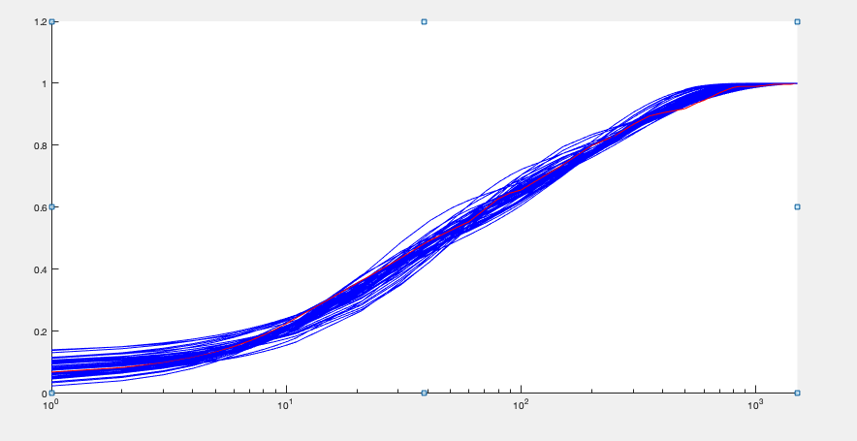
ko | k1 | k2 | k3 | u0 | u1 | kd | Objective function | moment estimators: | mean | var | burst size | frequency
0.060926238877 | 0.04195103148 | 0.17141577494 | 0.008949921737 | 2.267274426 | 13.392801481 | 0.0037 | 0.008587859614 |  | 130.14478165 | 36605.919923 | 281.27074678 | 0.46435378342
0.10935336417 | 0.050952516458 | 0.19178719662 | 0.0085009191033 | 2.8982564182 | 19.925364094 | 0.0037 | 0.009052318009 |  | 124.33898437 | 31901.041777 | 256.56508245 | 0.48652571464
0.073368913227 | 0.041131594018 | 0.17177996113 | 0.0082920693516 | 2.7862204206 | 17.236421417 | 0.0037 | 0.0093218336886 |  | 133.64498111 | 40854.067743 | 305.69099867 | 0.43862464497
0.092580984012 | 0.043489866652 | 0.15797318293 | 0.0093912509612 | 1.6973270029 | 16.632567 | 0.0037 | 0.0093447180646 |  | 125.60990044 | 32124.568822 | 255.74870062 | 0.49307376301
0.077180924253 | 0.027154598727 | 0.092990962004 | 0.0081971208537 | 1.5631814515 | 15.463157215 | 0.0037 | 0.0095893674829 |  | 129.58968694 | 34717.999934 | 267.90712095 | 0.48552352775
0.088481416222 | 0.039430019671 | 0.15428980425 | 0.0078152847264 | 2.6871530632 | 19.922752871 | 0.0037 | 0.010167883858 |  | 131.52949314 | 40015.474331 | 304.23195114 | 0.43375868752
0.073991900022 | 0.054284691457 | 0.19470579003 | 0.0076658093459 | 3.6098601543 | 14.974675425 | 0.0037 | 0.010296062332 |  | 129.17012614 | 35144.547302 | 272.07953072 | 0.47650269202
0.050151739052 | 0.035135430027 | 0.12194322724 | 0.0095063702963 | 1.3327063422 | 9.2215045848 | 0.0037 | 0.010310500605 |  | 123.08388588 | 28403.290222 | 230.76367811 | 0.53569775211
0.10215341856 | 0.058673537415 | 0.1944520368 | 0.0082561817181 | 2.9166125094 | 18.114659768 | 0.0037 | 0.010541370098 |  | 129.39215371 | 33510.367877 | 258.98299794 | 0.50155302767
0.074791292957 | 0.042816778983 | 0.15398939057 | 0.007579177356 | 2.7651241126 | 16.045983034 | 0.0037 | 0.010616592025 |  | 130.20517614 | 37621.92361 | 288.9433794 | 0.45219020634
0.10389074144 | 0.05684135078 | 0.18034649231 | 0.0087509477534 | 2.2820855369 | 15.821241724 | 0.0037 | 0.011063983664 |  | 120.44372341 | 27205.306958 | 225.87567195 | 0.53560139416
0.023816517091 | 0.025593464664 | 0.11173528271 | 0.0092943777187 | 1.4086748558 | 7.3245646963 | 0.0037 | 0.011595949017 |  | 134.19077791 | 37572.550494 | 279.99353667 | 0.48098167258
0.12423260533 | 0.020686702558 | 0.052352276504 | 0.0092336408211 | 0.60356975097 | 17.938723185 | 0.0037 | 0.012667115606 |  | 122.36908235 | 26745.443285 | 218.56373172 | 0.56245166132
0.071970968568 | 0.039679398918 | 0.14611550258 | 0.0067762817111 | 3.7667999898 | 16.097473987 | 0.0037 | 0.012775154996 |  | 130.45213136 | 37502.243788 | 287.47896562 | 0.45536373353
0.032134138817 | 0.037950581418 | 0.12394331671 | 0.0074649750683 | 2.2884583506 | 7.6637729163 | 0.0037 | 0.012957056439 |  | 130.37516112 | 33446.891127 | 256.54343082 | 0.51018787962
0.11513109976 | 0.036736153411 | 0.13141529607 | 0.0078063197475 | 2.4535099082 | 19.618618873 | 0.0037 | 0.012996852872 |  | 116.99115401 | 27661.926398 | 236.44459816 | 0.49689461947
0.059331909626 | 0.060964193793 | 0.18902539961 | 0.007602403003 | 3.2978671622 | 11.124153663 | 0.0037 | 0.01309632918 |  | 129.09920302 | 32600.361089 | 252.52178424 | 0.51327245236
0.10749416892 | 0.067187000092 | 0.2 | 0.0078069133035 | 2.9874957573 | 17.374948614 | 0.0037 | 0.01313671722 |  | 124.28842901 | 30621.498478 | 246.37449134 | 0.50652546779
0.122235208 | 0.061282853178 | 0.17833407419 | 0.007988224498 | 2.5034923091 | 19.125167132 | 0.0037 | 0.013252562579 |  | 124.43966555 | 30311.894396 | 243.58707702 | 0.51296906282
0.036117747885 | 0.041588427536 | 0.19049265201 | 0.0068374246606 | 5.3934550816 | 10.268854882 | 0.0037 | 0.013289376294 |  | 130.43279447 | 37507.530221 | 287.56211483 | 0.45516412577
0.089903269526 | 0.020411575814 | 0.067580023328 | 0.0065541193809 | 1.9060715173 | 19.925641182 | 0.0037 | 0.013763126998 |  | 129.99699181 | 37814.611852 | 290.88836076 | 0.44843812105
0.052626786129 | 0.044887876803 | 0.13954924454 | 0.0070742374534 | 2.7649042982 | 11.15988416 | 0.0037 | 0.013948387752 |  | 131.47431284 | 36071.983431 | 274.36525547 | 0.48094741453
0.014641480951 | 0.033714210294 | 0.19825232426 | 0.0067436633614 | 6.1835155693 | 7.1370554246 | 0.0037 | 0.014804100607 |  | 132.35671568 | 39224.50708 | 296.3544908 | 0.44812833325
0.052614227759 | 0.018255130715 | 0.092294104793 | 0.0067236072858 | 3.0441175308 | 16.256286665 | 0.0037 | 0.014913627655 |  | 133.02152305 | 42941.273249 | 322.81447593 | 0.41334847559
0.0978115114 | 0.040035148389 | 0.11035411644 | 0.0072583369233 | 2.1877654937 | 15.800266654 | 0.0037 | 0.015054789523 |  | 124.79301489 | 29809.451539 | 238.87115449 | 0.52462441342
0.028234313853 | 0.01470031012 | 0.064680174585 | 0.0091022366929 | 0.81739810333 | 9.1921362404 | 0.0037 | 0.0150638029 |  | 132.75807181 | 42144.265424 | 317.45162345 | 0.41952090612
0.072623901766 | 0.018756382512 | 0.073412364161 | 0.0073139355684 | 1.4740629111 | 19.301114721 | 0.0037 | 0.015412800618 |  | 131.88891688 | 44387.33415 | 336.55090359 | 0.39305189011
0.014463959705 | 0.022890158776 | 0.1214837248 | 0.0066141843427 | 3.6507017431 | 6.805987499 | 0.0037 | 0.015672017996 |  | 127.63259041 | 36616.725618 | 286.89165911 | 0.44643691532
0.14507943139 | 0.056534919584 | 0.16355332378 | 0.010065045687 | 1.3329248245 | 19.371069058 | 0.0037 | 0.016439527513 |  | 124.03254662 | 26681.275137 | 215.11511183 | 0.57927974148
0.075640594498 | 0.039063756059 | 0.16199971404 | 0.013257424358 | 0.8497849842 | 11.930628684 | 0.0037 | 0.016780440064 |  | 122.33873107 | 26492.296503 | 216.54872722 | 0.56756879361
0.061284093847 | 0.052558362183 | 0.18859108493 | 0.0062770234318 | 5.8690684983 | 14.104540757 | 0.0037 | 0.01721569764 |  | 133.95559518 | 38715.454135 | 289.01707378 | 0.46509602165
0.13352901894 | 0.023997579712 | 0.055414805375 | 0.0083573009137 | 0.87165956844 | 18.009137745 | 0.0037 | 0.017752641525 |  | 123.33585265 | 25771.944768 | 208.95744598 | 0.59308216676
0.016055442455 | 0.039929148591 | 0.15839420731 | 0.011317177682 | 1.1414321228 | 3.8862844772 | 0.0037 | 0.018186336889 |  | 114.97831855 | 20349.973296 | 176.98965816 | 0.65332429047
0.012819999541 | 0.025088812382 | 0.1809499158 | 0.0084449652683 | 3.567722068 | 6.7907296955 | 0.0037 | 0.018260076696 |  | 125.12689 | 37443.327462 | 299.24285228 | 0.41954698679
0.036951195866 | 0.016606209748 | 0.11047775263 | 0.0080854918866 | 2.7652784343 | 13.478976067 | 0.0037 | 0.018315040292 |  | 131.42713034 | 44193.836639 | 336.26113973 | 0.39201420853
0.15384144669 | 0.065612941728 | 0.17696349775 | 0.0099564713983 | 1.4800942836 | 16.899046332 | 0.0037 | 0.018437889257 |  | 112.01027247 | 20239.77027 | 180.69566141 | 0.62333320456
0.098894476138 | 0.037300832211 | 0.095548142966 | 0.0075641642371 | 1.8217541398 | 12.737783308 | 0.0037 | 0.018738219082 |  | 113.04454235 | 21655.686886 | 191.56773459 | 0.59319875208
0.1229589305 | 0.074828770515 | 0.19064614299 | 0.006896050958 | 3.3487709434 | 19.435173014 | 0.0037 | 0.018981506197 |  | 127.18022848 | 32735.517051 | 257.39470232 | 0.49603298091
0.10768976798 | 0.078705378089 | 0.19129274205 | 0.0078283478231 | 2.7067760131 | 14.637261723 | 0.0037 | 0.019240224619 |  | 124.95629449 | 27609.894941 | 220.95641562 | 0.56809570269
0.031073231205 | 0.014592793557 | 0.10556911943 | 0.0065133290587 | 3.9985202936 | 13.731899588 | 0.0037 | 0.019296093806 |  | 131.23826159 | 46724.34504 | 356.02685126 | 0.36965728403
0.13128063199 | 0.061227574939 | 0.18529264052 | 0.010882428689 | 1.4032380618 | 14.133950566 | 0.0037 | 0.019417471403 |  | 106.76911662 | 17931.605942 | 167.94749746 | 0.63953708944
0.041541053297 | 0.075377874503 | 0.19162569866 | 0.0077128225352 | 2.8457672281 | 6.6658280078 | 0.0037 | 0.019601169045 |  | 121.86980023 | 25005.214048 | 205.17974101 | 0.59687508478
0.025253756639 | 0.030379324196 | 0.13505997298 | 0.0056840876744 | 5.1803474645 | 8.8048813809 | 0.0037 | 0.019961478657 |  | 129.66553976 | 38810.040335 | 299.30882489 | 0.43466880275
0.11590725732 | 0.074553989221 | 0.18499235852 | 0.0064835311349 | 3.9787706352 | 17.631035908 | 0.0037 | 0.020034515744 |  | 124.2263816 | 30515.008565 | 245.64032351 | 0.50779192824
0.020501854069 | 0.0087504407539 | 0.066249743939 | 0.0067678261964 | 2.4723231617 | 11.024235944 | 0.0037 | 0.020049516783 |  | 128.72043061 | 44703.539225 | 347.29171594 | 0.37171097282
0.11179576619 | 0.065701045002 | 0.17753009183 | 0.0059652802614 | 4.8128171591 | 18.947263202 | 0.0037 | 0.020715884423 |  | 124.3976509 | 32530.01009 | 261.50019598 | 0.47753380928
0.062741866997 | 0.055702444957 | 0.16429796926 | 0.0057885357331 | 4.8556149977 | 13.234757625 | 0.0037 | 0.0209486542 |  | 129.41534255 | 37103.70318 | 286.70250721 | 0.4529723726
0.10203718777 | 0.079352323188 | 0.19347296585 | 0.006421586421 | 4.0857813935 | 16.834980324 | 0.0037 | 0.020985668086 |  | 130.82998265 | 34732.676493 | 265.47948558 | 0.49466968059
0.069237249135 | 0.067499630596 | 0.1788988139 | 0.0098789630203 | 1.3526480258 | 8.2140686157 | 0.0037 | 0.021581074877 |  | 110.72649719 | 19405.161662 | 175.253098 | 0.63543488443
0.071473064852 | 0.047598761983 | 0.10669385515 | 0.0087294691246 | 1.2245616745 | 8.9496578788 | 0.0037 | 0.021777181667 |  | 120.99471748 | 22769.149399 | 188.18300396 | 0.6463979898
0.075396841304 | 0.043762877967 | 0.14680416512 | 0.0079995451647 | 2.7100663549 | 13.96637938 | 0.0037 | 0.015320171323 |  | 126.09907105 | 33064.088624 | 260.25154561 | 0.49899070173
0.038314964569 | 0.019010678399 | 0.044532439095 | 0.0014993520062 | 1.3591082587 | 4.4597268226 | 1.3142515E-18 | 0.0039649537565 |  | 6.3805527453 | 7167.5779377 | 46.579572163 | 0.072653511921

dmog
ko | k1 | k2 | k3 | u0 | u1 | kd | Objective function | moment estimators: | mean | var | burst size | frequency
0.022653478841 | 0.024005894284 | 0.10256596636 | 0.0019942474928 | 0.60241073966 | 13.161385059 | 0.0037 | 0.0083428586767 |  | 50.257797458 | 31533.428042 | 627.43354538 | 0.080228458116
0.018950159853 | 0.044352554843 | 0.12645909259 | 0.001476850245 | 1.1347917211 | 10.656045057 | 0.0037 | 0.0096311686634 |  | 49.88865024 | 28687.133957 | 575.02325316 | 0.086910504001
0.0037661499907 | 0.047320992008 | 0.15081398322 | 0.0014037332381 | 1.4336300007 | 6.2606914312 | 0.0037 | 0.010264669461 |  | 44.923975303 | 21343.284614 | 475.09786188 | 0.094756755758
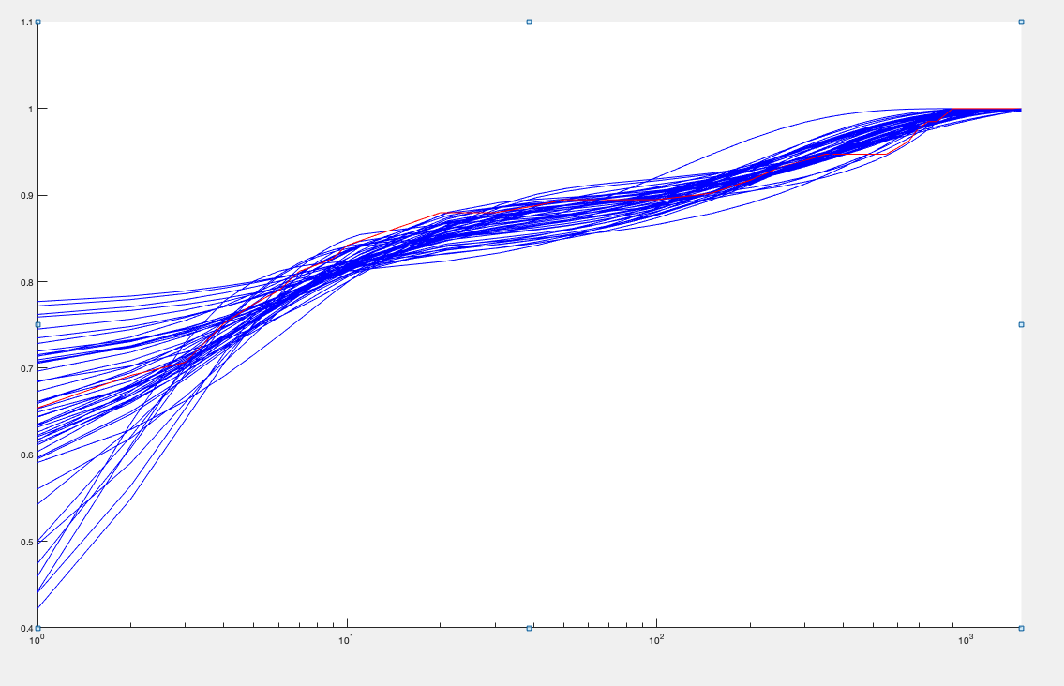
0.0047096027364 | 0.062058570851 | 0.17838369783 | 0.0015552482153 | 1.4132142496 | 6.7524706489 | 0.0037 | 0.010600313145 |  | 55.500919492 | 28164.244412 | 507.45545606 | 0.10958697123
0.040497659139 | 0.03575793268 | 0.09001194065 | 0.0014187874284 | 0.80432920276 | 17.142161966 | 0.0037 | 0.010703320711 |  | 50.058160695 | 30724.606906 | 613.77818281 | 0.081690507429
0.022044388613 | 0.064849099856 | 0.18047291482 | 0.0013498597975 | 1.7985283221 | 12.18142357 | 0.0037 | 0.011068122595 |  | 49.910299011 | 31191.494519 | 624.95106495 | 0.07999072654
0.066523939603 | 0.037734138135 | 0.18895255863 | 0.0027645501903 | 0.59566008643 | 19.534600343 | 0.0037 | 0.012036120846 |  | 38.558628735 | 16262.387852 | 421.75742202 | 0.091640994826
0.026764203568 | 0.069106874844 | 0.16148978849 | 0.0013231649847 | 1.4645359243 | 12.584378427 | 0.0037 | 0.012142449155 |  | 51.517157623 | 31105.840044 | 603.79573485 | 0.085463706268
0.011494421431 | 0.015884083432 | 0.11313278974 | 0.0036239126579 | 0.25894561447 | 7.7204853836 | 0.0037 | 0.013025710887 |  | 47.601841448 | 22164.091506 | 465.6141618 | 0.10245456416
0.019785501722 | 0.077207098672 | 0.17964532143 | 0.0013468356275 | 2.0749489175 | 9.4392089907 | 0.0037 | 0.01317433804 |  | 48.576013387 | 24993.501719 | 514.52352666 | 0.094593549983
0.044146456426 | 0.044306181593 | 0.11717384367 | 0.0012904454659 | 1.3615978544 | 19.974483223 | 0.0037 | 0.013215220059 |  | 48.28583001 | 31507.228851 | 652.51500999 | 0.074113150532
0.069541011187 | 0.067500470172 | 0.15865414012 | 0.0015891398464 | 1.0296429641 | 19.821733178 | 0.0037 | 0.013577550653 |  | 45.141509494 | 21650.724732 | 479.61897984 | 0.09431617089
0.054433642346 | 0.084852299077 | 0.19777625828 | 0.0016193865142 | 1.2610603627 | 16.867060013 | 0.0037 | 0.0136639982 |  | 49.121602273 | 24823.325759 | 505.34438231 | 0.097396945412
0.031276382591 | 0.022300010009 | 0.11732162613 | 0.0031837047419 | 0.23195145282 | 12.439064053 | 0.0037 | 0.013883946204 |  | 48.365839995 | 23728.062991 | 490.5954904 | 0.098787347806
0.062224538653 | 0.053333428368 | 0.14790123025 | 0.001701675353 | 0.73289298562 | 19.619315434 | 0.0037 | 0.014110886851 |  | 44.288333097 | 22165.390048 | 500.47921197 | 0.088669021724
0.064266928803 | 0.085345969461 | 0.18360828872 | 0.0014941537195 | 1.3628158125 | 19.380733369 | 0.0037 | 0.01414979821 |  | 48.700127407 | 25031.887297 | 514.00044784 | 0.094931939362
0.048337201872 | 0.030585952679 | 0.10155488755 | 0.0024305609275 | 0.30532985997 | 14.861643436 | 0.0037 | 0.014644273132 |  | 48.376015075 | 21859.645833 | 451.86950184 | 0.10729493762
0.013085958882 | 0.081228361387 | 0.1538073102 | 0.0010140845613 | 2.740994136 | 8.926442943 | 0.0037 | 0.01505742822 |  | 49.941777534 | 28292.975931 | 566.51920152 | 0.088311373689
0.039194191311 | 0.091869180736 | 0.1936805949 | 0.0015663153642 | 1.2534223715 | 11.951741304 | 0.0037 | 0.015350177404 |  | 48.521747649 | 22851.474485 | 470.95324451 | 0.10324803205
0.04709819744 | 0.084890355136 | 0.2 | 0.0013605571693 | 1.538546637 | 14.517628944 | 0.0037 | 0.015432721758 |  | 40.355783645 | 19600.412471 | 485.69029519 | 0.083260969006
0.056694238806 | 0.023088561758 | 0.16730241825 | 0.0038628696512 | 0.36347625659 | 18.147682967 | 0.0037 | 0.01568754526 |  | 39.467293362 | 16918.999672 | 428.68406294 | 0.092281421689
0.046286568092 | 0.069928872011 | 0.12133731671 | 0.0010577618104 | 1.8963828061 | 17.054907631 | 0.0037 | 0.015718647285 |  | 49.439456422 | 30212.131979 | 611.09353067 | 0.08103586407
0.010485668697 | 0.049711418639 | 0.095246674535 | 0.0010437572514 | 1.2320320212 | 8.4448267956 | 0.0037 | 0.015953945846 |  | 49.700529488 | 27807.713072 | 559.50536862 | 0.08898845433
0 | 0.073568074368 | 0.13925791307 | 0.0010025604383 | 2.5697219563 | 6.7406609545 | 0.0037 | 0.016022357933 |  | 59.745507773 | 34005.777829 | 569.17714983 | 0.10515295765
0.052375946951 | 0.069505932041 | 0.15954117309 | 0.0017761037203 | 0.88049878411 | 14.944776314 | 0.0037 | 0.016204689506 |  | 49.559725381 | 23019.036376 | 464.47062004 | 0.10693175196
0.011166011069 | 0.11136491148 | 0.17300487897 | 0.00091383999205 | 3.7584967454 | 7.3743189442 | 0.0037 | 0.016769045357 |  | 47.086055601 | 23474.400704 | 498.54251762 | 0.094637249952
0.04750218329 | 0.08651041608 | 0.17451949165 | 0.001027580659 | 3.2781231895 | 19.585233072 | 0.0037 | 0.017039828684 |  | 47.957319889 | 31151.184734 | 649.56058442 | 0.073944240586
0.05278621208 | 0.10001219321 | 0.19023210661 | 0.0015285383216 | 1.2044033122 | 14.272900977 | 0.0037 | 0.017163323224 |  | 48.831008079 | 22748.959422 | 465.87118138 | 0.10504202032
0.049047996409 | 0.02964938649 | 0.10108035049 | 0.0016787534035 | 0.97173893168 | 17.008242162 | 0.0037 | 0.017237691916 |  | 39.369144789 | 19122.181816 | 485.71494042 | 0.081221232328
0.081517822026 | 0.028187663773 | 0.16903747355 | 0.0036296743394 | 0.2859496813 | 19.751500021 | 0.0037 | 0.017297069079 |  | 34.919788078 | 12321.443454 | 352.84989205 | 0.099246266283
0.083627674948 | 0.061336504842 | 0.11627163197 | 0.0015367750687 | 0.69793223255 | 19.777782358 | 0.0037 | 0.017466911968 |  | 44.664152424 | 19421.348552 | 434.83078708 | 0.10295293408
0.007243417067 | 0.064643452871 | 0.16334016698 | 0.0017665762703 | 0.96309707542 | 6.5078167655 | 0.0037 | 0.017529926357 |  | 60.030122929 | 27823.802528 | 463.49734384 | 0.12979560581
0.025213374943 | 0.077693724969 | 0.17346950115 | 0.0018077927979 | 0.76990765292 | 7.9124088231 | 0.0037 | 0.017727068828 |  | 46.92683894 | 18420.911648 | 392.54533364 | 0.11985033381
0.012916463827 | 0.07375768231 | 0.098531647946 | 0.00086922821895 | 2.4080901736 | 7.9700397042 | 0.0037 | 0.017746894354 |  | 49.522844919 | 25781.907858 | 520.60635653 | 0.095308389315
0.087223961303 | 0.11147389057 | 0.2 | 0.0012462233801 | 2.0315636198 | 19.101969789 | 0.0037 | 0.017857583327 |  | 37.692894631 | 15588.348998 | 413.56200288 | 0.091362981485
0.07976729176 | 0.13332887502 | 0.2 | 0.0011101357283 | 2.6309815648 | 19.990494727 | 0.0037 | 0.018002587987 |  | 44.894637464 | 22216.523592 | 494.85918246 | 0.090905746129
0.051564735929 | 0.095924223072 | 0.13152541747 | 0.0010615274467 | 1.889629499 | 14.926178428 | 0.0037 | 0.01809180221 |  | 49.577166551 | 26637.136123 | 537.28637549 | 0.092445321786
0.086856690979 | 0.079426688481 | 0.12743176147 | 0.0011771531466 | 1.5257308777 | 19.759087921 | 0.0037 | 0.018117310071 |  | 40.467771076 | 17817.0891 | 440.27848894 | 0.092123270532
0.10316110798 | 0.098446517382 | 0.2 | 0.0016399979478 | 1.25 | 19.742625754 | 0.0037 | 0.0188245534 |  | 38.401865538 | 13758.718346 | 358.28255094 | 0.10748318225
0.016344557967 | 0.051641152948 | 0.15614908992 | 0.0011301687791 | 3.0186934327 | 13.358181441 | 0.0037 | 0.019232840534 |  | 52.029201854 | 39114.134292 | 751.77271414 | 0.069300869456
0.0031520521524 | 0.12461518037 | 0.1585926642 | 0.00079192324498 | 4.7834294862 | 6.8007847314 | 0.0037 | 0.019401259523 |  | 55.639885947 | 30342.192861 | 545.33168687 | 0.10221687859
0.056336161496 | 0.10757499249 | 0.17044589343 | 0.0010371845752 | 3.0964946485 | 13.676535194 | 0.0037 | 0.01962903722 |  | 38.436363432 | 16939.601735 | 440.71811749 | 0.087411370836
0.028000525807 | 0.017580898611 | 0.035634250086 | 0.00097391617893 | 0.91842073222 | 17.445356841 | 0.0037 | 0.019916751742 |  | 51.098507594 | 38045.440122 | 744.55090596 | 0.068722271984
0.07119821672 | 0.012307090093 | 0.093811872216 | 0.0053486445458 | 0.078346021321 | 19.823803646 | 0.0037 | 0.019937883395 |  | 42.589138497 | 16547.493152 | 388.53786989 | 0.10989671412
0.054974073051 | 0.1561913235 | 0.1765596727 | 0.0009537121 | 2.924843499 | 14.417986304 | 0.0037 | 0.020177902237 |  | 49.574482822 | 26545.797626 | 535.47301182 | 0.092753949639
0.0131335486 | 0.095338546467 | 0.16006371393 | 0.00079825402125 | 5.9745788018 | 9.0617769042 | 0.0037 | 0.020806716461 |  | 46.941567932 | 27151.363856 | 578.40768965 | 0.081297095229
0.035264400038 | 0.15565671249 | 0.18707648851 | 0.00074973282144 | 6.6613989834 | 13.328020357 | 0.0037 | 0.02164756714 |  | 49.918506115 | 31812.143765 | 637.28156632 | 0.078453484679
0.18534720615 | 0.086242744213 | 0.18555404231 | 0.0016946710118 | 1 | 19.941314537 | 0.0037 | 0.021659500021 |  | 22.741132329 | 4727.7406848 | 207.89381181 | 0.10991692854
0.09089665328 | 0.027633221085 | 0.19838023427 | 0.0051928867868 | 0.18335023044 | 19.408664676 | 0.0037 | 0.021883074376 |  | 36.8151067 | 11505.215821 | 312.51344494 | 0.11818143743
0.02882572538 | 0.12979084883 | 0.15362284283 | 0.00072706661945 | 6.413809624 | 11.910001492 | 0.0037 | 0.022167869447 |  | 50.228350456 | 31497.407369 | 627.0842479 | 0.080226184615
0.044794090036 | 0.070532422974 | 0.15240853844 | 0.0016928444764 | 1.7812074211 | 14.23957154 | 0.0037 | 0.016139885151 |  | 46.643167532 | 24203.145781 | 509.15598623 | 0.093734660717
0.033699383454 | 0.035807501778 | 0.037634816003 | 0.0010377569333 | 1.5375334768 | 4.7625484784 | 1.3142515E-18 | 0.0034361516551 |  | 6.4695156091 | 6950.7595215 | 103.36621788 | 0.013039322619

IL1_dmog_la
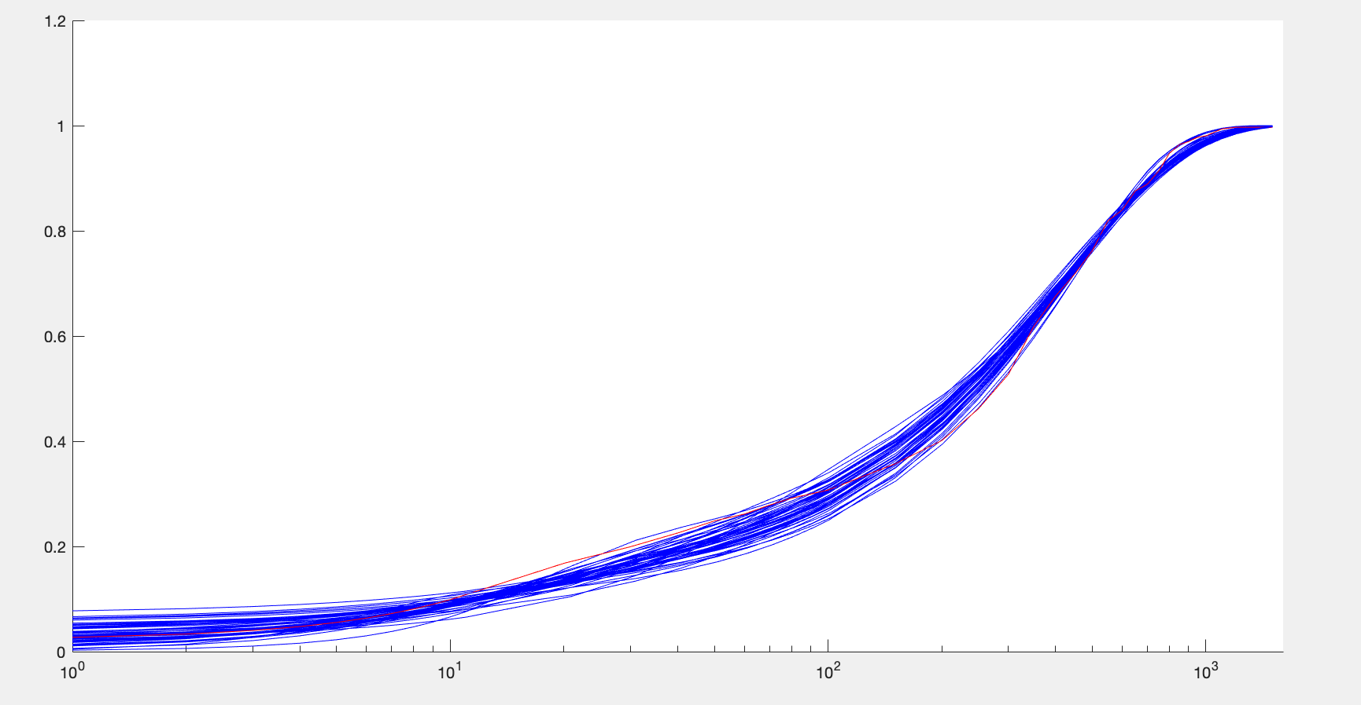
ko | k1 | k2 | k3 | u0 | u1 | kd | Objective function | moment estimators: | mean | var | burst size | frequency
0.025774700682 | 0.10168577936 | 0.15034560647 | 0.012856382243 | 1.4150763925 | 5.9997782778 | 0.0037 | 0.011010226535 |  | 304.89440467 | 68593.378523 | 224.97421229 | 1.3612924522
0.038668488109 | 0.15671363977 | 0.16149614454 | 0.0096904805777 | 3.5180609536 | 6.9578344575 | 0.0037 | 0.01292003205 |  | 310.22391442 | 76144.083304 | 245.44878639 | 1.2690752897
0.063308601403 | 0.13564433886 | 0.19768304392 | 0.012658783394 | 1.9177913008 | 10.932899669 | 0.0037 | 0.013157418897 |  | 313.9802567 | 85430.956113 | 272.09021679 | 1.1582131602
0.057467452628 | 0.12139848051 | 0.1460169902 | 0.010455137002 | 2.6138533054 | 9.798001151 | 0.0037 | 0.013460740299 |  | 309.35204507 | 84063.157352 | 271.73945895 | 1.1426189824
0.059170239694 | 0.12775047046 | 0.18738626048 | 0.011188258972 | 2.7033972643 | 11.045195615 | 0.0037 | 0.013597523353 |  | 307.28322636 | 89296.372204 | 290.59956595 | 1.0610624548
0.10815585126 | 0.078736616117 | 0.13578327832 | 0.014071483999 | 1.0589160359 | 18.629395317 | 0.0037 | 0.013983307492 |  | 309.19372401 | 90703.889209 | 293.35617823 | 1.0575925772
0.071496502719 | 0.12644054881 | 0.16184089045 | 0.010939749001 | 2.5259013233 | 11.826292223 | 0.0037 | 0.013995512866 |  | 310.93940362 | 87693.049231 | 282.0261704 | 1.1064428739
0.072338085175 | 0.053992165855 | 0.064371750471 | 0.010541856512 | 1.2579731838 | 12.741946883 | 0.0037 | 0.014053525059 |  | 308.70709132 | 88054.711607 | 285.23708746 | 1.0860901161
0.086178048426 | 0.085900644162 | 0.13276524145 | 0.011960302529 | 1.6676084419 | 15.462825254 | 0.0037 | 0.014123380011 |  | 308.41957029 | 93066.358182 | 301.75244099 | 1.0254931574
0.090451890386 | 0.067032985117 | 0.10772737689 | 0.014642794331 | 0.73343520488 | 15.353578067 | 0.0037 | 0.014615647797 |  | 314.92684831 | 87317.083196 | 277.26147728 | 1.1399593292
0.097741352711 | 0.10695062691 | 0.17079679034 | 0.012097317633 | 2.173359462 | 16.646224416 | 0.0037 | 0.014968066308 |  | 302.01861396 | 89382.755571 | 295.95114817 | 1.0239614792
0.045822780236 | 0.11555119271 | 0.17350639227 | 0.01043680564 | 3.9661890561 | 9.3116637566 | 0.0037 | 0.014988679632 |  | 305.18642595 | 86101.392956 | 282.12720368 | 1.085581267
0.070735313419 | 0.17872941486 | 0.1952087232 | 0.010876044339 | 2.6545232815 | 10.418268709 | 0.0037 | 0.015177196365 |  | 313.24777265 | 82401.824363 | 263.05637759 | 1.1953449694
0.11620738721 | 0.087720851149 | 0.11084307124 | 0.012288873402 | 1.2292103451 | 17.191053251 | 0.0037 | 0.015256027119 |  | 314.93123252 | 87264.888037 | 277.09188238 | 1.1406754513
0.094774875867 | 0.11475696672 | 0.19933846119 | 0.015244708953 | 1.2118203913 | 15.523434763 | 0.0037 | 0.015966013335 |  | 315.62670507 | 86632.052124 | 274.47630613 | 1.1541281566
0.10146330366 | 0.16487247892 | 0.1893397427 | 0.012002459815 | 2.0300087058 | 13.759620197 | 0.0037 | 0.016129597278 |  | 317.49706858 | 83560.688109 | 263.18569958 | 1.21096257
0.054673552909 | 0.073794589179 | 0.052553857622 | 0.0086335344215 | 1.8423767661 | 7.9814578846 | 0.0037 | 0.016216172425 |  | 312.68700561 | 74816.763073 | 239.2704581 | 1.312319656
0.076980145595 | 0.14720313457 | 0.14175927219 | 0.010984153658 | 1.9187150372 | 10.373099479 | 0.0037 | 0.016226687781 |  | 318.18803506 | 79680.84586 | 250.42062265 | 1.2757086069
0.06640489221 | 0.14657979955 | 0.14472520403 | 0.0091596527645 | 4.0790219361 | 10.034449097 | 0.0037 | 0.016399154953 |  | 314.90743084 | 86374.91472 | 274.2866832 | 1.1522970207
0.076164527368 | 0.18196086637 | 0.17699335421 | 0.010900021875 | 2.5810137699 | 10.213407859 | 0.0037 | 0.016437824572 |  | 319.52090921 | 80314.671491 | 251.35967374 | 1.276247506
0.11190166879 | 0.1594765428 | 0.15071056632 | 0.010593780751 | 2.3918452509 | 13.869614073 | 0.0037 | 0.017049214483 |  | 317.3270688 | 83712.959923 | 263.80655214 | 1.2074549368
0.10709119914 | 0.11480254579 | 0.11913107011 | 0.0095204849299 | 3.2089185859 | 14.7902958 | 0.0037 | 0.017085129495 |  | 309.82260715 | 87225.404039 | 281.53337435 | 1.1044055199
0.088453191405 | 0.065993895998 | 0.13997230713 | 0.018924442975 | 0.53227940944 | 15.338323419 | 0.0037 | 0.017147855758 |  | 313.94979108 | 83138.759818 | 264.8154647 | 1.1900355858
0.09500286279 | 0.12055248319 | 0.14076118201 | 0.0095297907353 | 3.8831508632 | 14.583254107 | 0.0037 | 0.017415933398 |  | 311.41227637 | 91768.553872 | 294.68508738 | 1.060361216
0.071791057734 | 0.15115327659 | 0.1139854752 | 0.0086569474245 | 4.0597656773 | 8.8372343345 | 0.0037 | 0.017694462302 |  | 314.17994829 | 78184.193849 | 248.8516351 | 1.267612974
0.087398842037 | 0.16829740001 | 0.13332212225 | 0.0090218171126 | 3.3693215246 | 10.634561713 | 0.0037 | 0.018106820115 |  | 311.68032295 | 81369.54595 | 261.06731788 | 1.1984601737
0.039823918907 | 0.16024230518 | 0.11351278987 | 0.0091413387312 | 2.7280618386 | 6.0075652646 | 0.0037 | 0.018455280352 |  | 316.21265765 | 68694.08329 | 217.24014402 | 1.4623217122
0.076528742165 | 0.12406817502 | 0.17582565507 | 0.0098138809461 | 5.0531927537 | 13.576103731 | 0.0037 | 0.018506131008 |  | 311.04830343 | 94464.119297 | 303.69597987 | 1.0275931103
0.060669660303 | 0.10870726847 | 0.19009286423 | 0.01121704902 | 3.6265964342 | 12.438827304 | 0.0037 | 0.018647111905 |  | 305.7473192 | 93959.520831 | 307.311021 | 0.99815970774
0.033161163414 | 0.19884612044 | 0.17042940564 | 0.01048896064 | 2.3792582125 | 5.6226678484 | 0.0037 | 0.019290599259 |  | 316.84221227 | 65736.036521 | 207.47247045 | 1.5345494321
0.1339409613 | 0.079427986554 | 0.049928414735 | 0.0098360559309 | 1.1012615903 | 13.820104719 | 0.0037 | 0.019350673442 |  | 317.25402652 | 74860.734589 | 235.96464767 | 1.3502202551
0.065693185291 | 0.1277485976 | 0.13352859162 | 0.0083381926687 | 6.4918537319 | 9.5685732261 | 0.0037 | 0.019366884475 |  | 303.67130067 | 80640.847019 | 265.55307282 | 1.1478653316
0.16620789828 | 0.15620663157 | 0.10972621447 | 0.0090483368381 | 3.0548850379 | 16.563049823 | 0.0037 | 0.019599857107 |  | 317.28806704 | 83904.571764 | 264.44288481 | 1.2043903454
0.086751222659 | 0.13907826731 | 0.091910735248 | 0.0099669709274 | 1.3635170658 | 9.4683831548 | 0.0037 | 0.019767070234 |  | 316.91887052 | 73149.850224 | 230.81569773 | 1.3790131556
0.14749731428 | 0.13648271602 | 0.17061429065 | 0.010021657967 | 4.878262913 | 19.919659566 | 0.0037 | 0.019775266307 |  | 300.96375797 | 84013.139447 | 279.1470309 | 1.0820311725
0.11639678179 | 0.098756900356 | 0.15487334747 | 0.011002941579 | 3.416264683 | 19.054808353 | 0.0037 | 0.019830049254 |  | 297.89282996 | 87357.897762 | 293.25277071 | 1.0192985655
0.11983944941 | 0.13920804864 | 0.13403685678 | 0.0085129699834 | 5.1741908624 | 15.516438407 | 0.0037 | 0.019831174956 |  | 309.72837502 | 89614.0922 | 289.33123158 | 1.074210287
0.13848190313 | 0.191811374 | 0.18028627255 | 0.0087917560428 | 6.4201915307 | 16.013735775 | 0.0037 | 0.019896968177 |  | 303.29561561 | 83334.426747 | 274.76304456 | 1.1078763976
0.014147300253 | 0.047356456854 | 0.11110718405 | 0.010312888854 | 4.2981092216 | 6.3120539035 | 0.0037 | 0.019947911475 |  | 302.30319181 | 81799.275167 | 270.58687233 | 1.1213572427
0.041154672078 | 0.05174832695 | 0.17544832752 | 0.021215776541 | 0.82078255147 | 10.896850784 | 0.0037 | 0.019999550058 |  | 313.58191292 | 94877.134814 | 302.55933427 | 1.0398680369
0.10483593101 | 0.15344511455 | 0.19737797648 | 0.014913184229 | 0.87971384627 | 13.894175341 | 0.0037 | 0.02025154332 |  | 325.96890063 | 79858.794498 | 244.98899847 | 1.3359983552
0.19565301997 | 0.1342519356 | 0.10480177994 | 0.0086049734693 | 4.1934673301 | 19.785207716 | 0.0037 | 0.020678776447 |  | 310.06007413 | 83502.328029 | 269.31015953 | 1.155603182
0.1101994274 | 0.048105882647 | 0.15244308082 | 0.029042641287 | 0.18423218094 | 19.554280293 | 0.0037 | 0.020877421588 |  | 318.92940932 | 83159.154941 | 260.7447056 | 1.2278572092
0.16518561939 | 0.10307493851 | 0.060834047164 | 0.0079208827151 | 3.2491191415 | 15.134454497 | 0.0037 | 0.021431157332 |  | 316.92531233 | 81817.650105 | 258.16066727 | 1.2324019676
0.051091865393 | 0.14576831672 | 0.19602700124 | 0.008483767751 | 13.41242324 | 8.1162097675 | 0.0037 | 0.021880353645 |  | 312.8058696 | 78916.421292 | 252.28561534 | 1.2448220292
0.14958063128 | 0.1501303759 | 0.080224005289 | 0.0078776858353 | 3.7144367741 | 12.920951743 | 0.0037 | 0.021975901919 |  | 319.05376186 | 82257.770734 | 257.81789958 | 1.2423345973
0.12064882244 | 0.10435418582 | 0.10885548351 | 0.008029319104 | 5.9794358806 | 16.162878385 | 0.0037 | 0.021995424293 |  | 308.88740974 | 90121.382108 | 291.76126727 | 1.0623402926
0.1131101294 | 0.1757476559 | 0.15858574981 | 0.0078381984235 | 9.2157421763 | 13.045001631 | 0.0037 | 0.022189960657 |  | 309.97410252 | 86154.188056 | 277.93995484 | 1.1192827077
0.071094287599 | 0.19101212239 | 0.13460210371 | 0.0072622576039 | 8.7093891886 | 8.1564432166 | 0.0037 | 0.022215704153 |  | 311.2956483 | 81366.502518 | 261.38014766 | 1.1955429441
0.14330379086 | 0.132977821 | 0.098588626824 | 0.0077495203258 | 4.9216417481 | 15.41044644 | 0.0037 | 0.022262930105 |  | 311.3692595 | 87821.731694 | 282.05010294 | 1.1078781194
0.090012290231 | 0.12504498517 | 0.1410404996 | 0.011066145448 | 3.316191268 | 12.704251613 | 0.0037 | 0.017704117023 |  | 311.76243775 | 83673.498126 | 268.58093605 | 1.1747242728
0.039044484315 | 0.039690937946 | 0.039925260812 | 0.0037542990208 | 2.4381342847 | 3.870295414 | 1.3142515E-18 | 0.0029602124266 |  | 5.5980331775 | 6470.0211175 | 22.621421806 | 0.11782223666

summary
 | mean | var | burst | freq | ko |  | k1 |  | k2 |  | k3 |  | u0 |  | u1 |  | delta |  | mean mod |  | var mod |  | burst mod |  | freq mod
Control | 0.66666666667 | 3.1520223152 | 4.7280334728 | 0.17882528994 | 0.12613267319 | 0.073662793053 | 0.053046618104 | 0.060954249232 | 0.1530136445 | 0.053481577594 | 0.0019155769624 | 0.0016411567437 | 0.26187655975 | 0.20753773086 | 1.0212492527 | 2.3973432386 | 0.0037 |  | 0.59355606728 | 0.097384384685 | 2.6628179545 | 0.98028088728 | 4.5176163888 | 1.5357377635 | 0.20919604972 | 0.11403317996
10ng/ml | 4.8413461538 | 533.97953828 | 110.29567424 | 0.044295862462 | 0.12406018966 | 0.059637181269 | 0.028560691435 | 0.027288032995 | 0.14643940726 | 0.051800207478 | 0.0022700768956 | 0.0028876525491 | 0.66385869759 | 0.49171610014 | 5.8331108926 | 5.7309526294 | 0.0037 |  | 3.6738304029 | 0.88119179495 | 227.37298557 | 191.73766074 | 53.839947212 | 39.588927741 | 0.12142268708 | 0.085360234215
100ng/ml | 105.53723404 | 30797.405023 | 291.81554077 | 0.3629009432 | 0.07261119245 | 0.040650988274 | 0.059673779047 | 0.022267265675 | 0.16026013675 | 0.034862128682 | 0.0058089124633 | 0.0014891589138 | 2.154040324 | 1.059498087 | 13.492058223 | 5.1555163895 | 0.0037 |  | 102.0890247 | 4.8344531135 | 29441.074973 | 3846.2624599 | 287.97959487 | 31.54912797 | 0.35937429589 | 0.037929363647
500ng/ml | 209.86350975 | 59539.970187 | 283.70806463 | 0.74233294344 | 0.071510422009 | 0.036436274502 | 0.091014620679 | 0.030931659796 | 0.14350968179 | 0.045265869952 | 0.0081220007065 | 0.001017853037 | 3.054385601 | 1.5128836594 | 11.682684914 | 4.1080750795 | 0.003795596277 | 0.0012353058168 | 207.42735691 | 2.8878121209 | 55582.321231 | 2738.6998061 | 268.01795115 | 13.801883299 | 0.77909373987 | 0.045909457647
1hrs ecdf | 34.442687747 | 6699.0889642 | 194.49959926 | 0.17799875493 | 0.11380598795 | 0.048136809442 | 0.061777851743 | 0.024079389488 | 0.15449663994 | 0.037609131522 | 0.010283320431 | 0.003211224891 | 1.2019743674 | 0.59488088467 | 11.863960115 | 4.2100646567 | 0.0037 |  | 32.887064574 | 1.8183313943 | 5096.0870519 | 1309.727607 | 153.44198761 | 32.143875198 | 0.22365415077 | 0.040080532518
2 hrs ecdf | 173.85502959 | 50994.415123 | 293.31573118 | 0.59475084999 | 0.080855497318 | 0.049675629335 | 0.12969779358 | 0.038154970419 | 0.13599828933 | 0.037972408797 | 0.0072751253896 | 0.0019149127388 | 3.4923647097 | 2.3075657176 | 13.148018533 | 4.7343758983 | 0.0037 |  | 173.87749247 | 4.5317802342 | 54599.797785 | 5553.1917921 | 313.68593463 | 26.702498285 | 0.55939026207 | 0.042454132835
IFNy ecdf | 29.323076923 | 8391.3986881 | 286.17046943 | 0.10282648474 | 0.082994247921 | 0.052061211785 | 0.034937084823 | 0.018649920577 | 0.16026932504 | 0.039371640322 | 0.0031468929449 | 0.00098425344676 | 1.234903465 | 0.65942352224 | 11.149549186 | 5.0546976749 | 0.0037 |  | 25.166427546 | 2.9658230101 | 5250.444319 | 2178.4620751 | 202.70365681 | 69.101601677 | 0.13663425622 | 0.037243343713
IFNy +lipid A | 132.77474403 | 43965.017579 | 331.12485286 | 0.40219554171 | 0.075396841304 | 0.038314964569 | 0.043762877967 | 0.019010678399 | 0.14680416512 | 0.044532439095 | 0.0079995451647 | 0.0014993520062 | 2.7100663549 | 1.3591082587 | 13.96637938 | 4.4597268226 | 0.0037 |  | 126.09907105 | 6.3805527453 | 33064.088624 | 7167.5779377 | 260.25154561 | 46.579572163 | 0.49899070173 | 0.072653511921
DMOG | 50.646616541 | 27398.851447 | 540.98088516 | 0.093793350716 | 0.044794090036 | 0.033699383454 | 0.070532422974 | 0.035807501778 | 0.15240853844 | 0.037634816003 | 0.0016928444764 | 0.0010377569333 | 1.7812074211 | 1.5375334768 | 14.23957154 | 4.7625484784 | 0.0037 |  | 42.626445006 | 11.37226493 | 19464.627947 | 10171.886872 | 422.37883543 | 159.90593308 | 0.11128129423 | 0.033104014067
DMOG + Lipid A | 312.87055016 | 76881.483188 | 245.72937002 | 1.2784348284 | 0.090012290231 | 0.039044484315 | 0.12504498517 | 0.039690937946 | 0.1410404996 | 0.039925260812 | 0.011066145448 | 0.0037542990208 | 3.316191268 | 2.4381342847 | 12.704251613 | 3.870295414 | 0.0037 |  | 311.76243775 | 5.5980331775 | 83673.498126 | 6470.0211175 | 268.58093605 | 22.621421806 | 1.1747242728 | 0.11782223666

fitted parameters vs mean

Var

burst

freq

